Exercise 3 5 1A
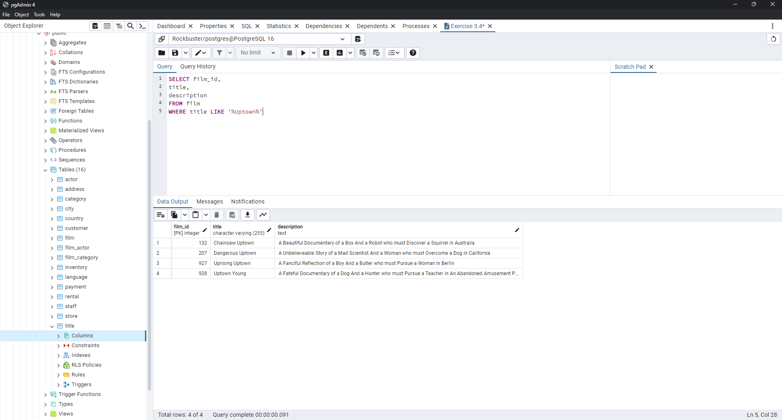
film_id | title | description
132 | Chainsaw Uptown | A Beautiful Documentary of a Boy And a Robot who must Discover a Squirrel in Australia
207 | Dangerous Uptown | A Unbelieveable Story of a Mad Scientist And a Woman who must Overcome a Dog in California
927 | Uprising Uptown | A Fanciful Reflection of a Boy And a Butler who must Pursue a Woman in Berlin
928 | Uptown Young | A Fateful Documentary of a Dog And a Hunter who must Pursue a Teacher in An Abandoned Amusement Park

Exercise 3 5 1B
film_id | title | length | rental_rate
5 | African Egg | A Fast-Paced Documentary of a Pastry Chef And a Dentist who must Pursue a Forensic Psychologist in The Gulf of Mexico | 2.99
6 | Agent Truman | A Intrepid Panorama of a Robot And a Boy who must Escape a Sumo Wrestler in Ancient China | 2.99
13 | Ali Forever | A Action-Packed Drama of a Dentist And a Crocodile who must Battle a Feminist in The Canadian Rockies | 4.99
16 | Alley Evolution | A Fast-Paced Drama of a Robot And a Composer who must Battle a Astronaut in New Orleans | 2.99
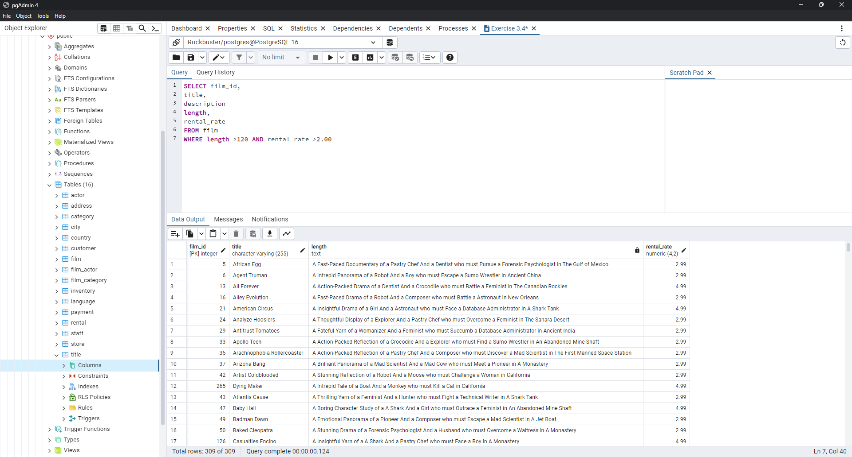
21 | American Circus | A Insightful Drama of a Girl And a Astronaut who must Face a Database Administrator in A Shark Tank | 4.99
24 | Analyze Hoosiers | A Thoughtful Display of a Explorer And a Pastry Chef who must Overcome a Feminist in The Sahara Desert | 2.99
29 | Antitrust Tomatoes | A Fateful Yarn of a Womanizer And a Feminist who must Succumb a Database Administrator in Ancient India | 2.99
33 | Apollo Teen | A Action-Packed Reflection of a Crocodile And a Explorer who must Find a Sumo Wrestler in An Abandoned Mine Shaft | 2.99
35 | Arachnophobia Rollercoaster | A Action-Packed Reflection of a Pastry Chef And a Composer who must Discover a Mad Scientist in The First Manned Space Station | 2.99
37 | Arizona Bang | A Brilliant Panorama of a Mad Scientist And a Mad Cow who must Meet a Pioneer in A Monastery | 2.99
42 | Artist Coldblooded | A Stunning Reflection of a Robot And a Moose who must Challenge a Woman in California | 2.99
265 | Dying Maker | A Intrepid Tale of a Boat And a Monkey who must Kill a Cat in California | 4.99
43 | Atlantis Cause | A Thrilling Yarn of a Feminist And a Hunter who must Fight a Technical Writer in A Shark Tank | 2.99
47 | Baby Hall | A Boring Character Study of a A Shark And a Girl who must Outrace a Feminist in An Abandoned Mine Shaft | 4.99
49 | Badman Dawn | A Emotional Panorama of a Pioneer And a Composer who must Escape a Mad Scientist in A Jet Boat | 2.99
50 | Baked Cleopatra | A Stunning Drama of a Forensic Psychologist And a Husband who must Overcome a Waitress in A Monastery | 2.99
126 | Casualties Encino | A Insightful Yarn of a A Shark And a Pastry Chef who must Face a Boy in A Monastery | 4.99
56 | Barefoot Manchurian | A Intrepid Story of a Cat And a Student who must Vanquish a Girl in An Abandoned Amusement Park | 2.99
58 | Beach Heartbreakers | A Fateful Display of a Womanizer And a Mad Scientist who must Outgun a A Shark in Soviet Georgia | 2.99
59 | Bear Graceland | A Astounding Saga of a Dog And a Boy who must Kill a Teacher in The First Manned Space Station | 2.99
61 | Beauty Grease | A Fast-Paced Display of a Composer And a Moose who must Sink a Robot in An Abandoned Mine Shaft | 4.99
68 | Betrayed Rear | A Emotional Character Study of a Boat And a Pioneer who must Find a Explorer in A Shark Tank | 4.99
70 | Bikini Borrowers | A Astounding Drama of a Astronaut And a Cat who must Discover a Woman in The First Manned Space Station | 4.99
73 | Bingo Talented | A Touching Tale of a Girl And a Crocodile who must Discover a Waitress in Nigeria | 2.99
74 | Birch Antitrust | A Fanciful Panorama of a Husband And a Pioneer who must Outgun a Dog in A Baloon | 4.99
75 | Bird Independence | A Thrilling Documentary of a Car And a Student who must Sink a Hunter in The Canadian Rockies | 4.99
80 | Blanket Beverly | A Emotional Documentary of a Student And a Girl who must Build a Boat in Nigeria | 2.99
86 | Boogie Amelie | A Lacklusture Character Study of a Husband And a Sumo Wrestler who must Succumb a Technical Writer in The Gulf of Mexico | 4.99
88 | Born Spinal | A Touching Epistle of a Frisbee And a Husband who must Pursue a Student in Nigeria | 4.99
93 | Brannigan Sunrise | A Amazing Epistle of a Moose And a Crocodile who must Outrace a Dog in Berlin | 4.99
94 | Braveheart Human | A Insightful Story of a Dog And a Pastry Chef who must Battle a Girl in Berlin | 2.99
95 | Breakfast Goldfinger | A Beautiful Reflection of a Student And a Student who must Fight a Moose in Berlin | 4.99
96 | Breaking Home | A Beautiful Display of a Secret Agent And a Monkey who must Battle a Sumo Wrestler in An Abandoned Mine Shaft | 2.99
99 | Bringing Hysterical | A Fateful Saga of a A Shark And a Technical Writer who must Find a Woman in A Jet Boat | 2.99
100 | Brooklyn Desert | A Beautiful Drama of a Dentist And a Composer who must Battle a Sumo Wrestler in The First Manned Space Station | 4.99
103 | Bucket Brotherhood | A Amazing Display of a Girl And a Womanizer who must Succumb a Lumberjack in A Baloon Factory | 4.99
115 | Campus Remember | A Astounding Drama of a Crocodile And a Mad Cow who must Build a Robot in A Jet Boat | 2.99
117 | Candles Grapes | A Fanciful Character Study of a Monkey And a Explorer who must Build a Astronaut in An Abandoned Fun House | 4.99
121 | Carol Texas | A Astounding Character Study of a Composer And a Student who must Overcome a Composer in A Monastery | 2.99
124 | Casper Dragonfly | A Intrepid Documentary of a Boat And a Crocodile who must Chase a Robot in The Sahara Desert | 4.99
129 | Cause Date | A Taut Tale of a Explorer And a Pastry Chef who must Conquer a Hunter in A MySQL Convention | 2.99
131 | Center Dinosaur | A Beautiful Character Study of a Sumo Wrestler And a Dentist who must Find a Dog in California | 4.99
136 | Chaplin License | A Boring Drama of a Dog And a Forensic Psychologist who must Outrace a Explorer in Ancient India | 2.99
141 | Chicago North | A Fateful Yarn of a Mad Cow And a Waitress who must Battle a Student in California | 4.99
145 | Chisum Behavior | A Epic Documentary of a Sumo Wrestler And a Butler who must Kill a Car in Ancient India | 4.99
148 | Chocolate Duck | A Unbelieveable Story of a Mad Scientist And a Technical Writer who must Discover a Composer in Ancient China | 2.99
151 | Cincinatti Whisperer | A Brilliant Saga of a Pastry Chef And a Hunter who must Confront a Butler in Berlin | 4.99
156 | Clerks Angels | A Thrilling Display of a Sumo Wrestler And a Girl who must Confront a Man in A Baloon | 4.99
158 | Clones Pinocchio | A Amazing Drama of a Car And a Robot who must Pursue a Dentist in New Orleans | 2.99
166 | Color Philadelphia | A Thoughtful Panorama of a Car And a Crocodile who must Sink a Monkey in The Sahara Desert | 2.99
174 | Confidential Interview | A Stunning Reflection of a Cat And a Woman who must Find a Astronaut in Ancient Japan | 4.99
175 | Confused Candles | A Stunning Epistle of a Cat And a Forensic Psychologist who must Confront a Pioneer in A Baloon | 2.99
177 | Connecticut Tramp | A Unbelieveable Drama of a Crocodile And a Mad Cow who must Reach a Dentist in A Shark Tank | 4.99
179 | Conquerer Nuts | A Taut Drama of a Mad Scientist And a Man who must Escape a Pioneer in An Abandoned Mine Shaft | 4.99
180 | Conspiracy Spirit | A Awe-Inspiring Story of a Student And a Frisbee who must Conquer a Crocodile in An Abandoned Mine Shaft | 2.99
181 | Contact Anonymous | A Insightful Display of a A Shark And a Monkey who must Face a Database Administrator in Ancient India | 2.99
182 | Control Anthem | A Fateful Documentary of a Robot And a Student who must Battle a Cat in A Monastery | 4.99
185 | Cowboy Doom | A Astounding Drama of a Boy And a Lumberjack who must Fight a Butler in A Baloon | 2.99
188 | Crazy Home | A Fanciful Panorama of a Boy And a Woman who must Vanquish a Database Administrator in The Outback | 2.99
190 | Creepers Kane | A Awe-Inspiring Reflection of a Squirrel And a Boat who must Outrace a Car in A Jet Boat | 4.99
193 | Crossroads Casualties | A Intrepid Documentary of a Sumo Wrestler And a Astronaut who must Battle a Composer in The Outback | 2.99
198 | Crystal Breaking | A Fast-Paced Character Study of a Feminist And a Explorer who must Face a Pastry Chef in Ancient Japan | 2.99
201 | Cyclone Family | A Lacklusture Drama of a Student And a Monkey who must Sink a Womanizer in A MySQL Convention | 2.99
202 | Daddy Pittsburgh | A Epic Story of a A Shark And a Student who must Confront a Explorer in The Gulf of Mexico | 4.99
207 | Dangerous Uptown | A Unbelieveable Story of a Mad Scientist And a Woman who must Overcome a Dog in California | 4.99
210 | Darko Dorado | A Stunning Reflection of a Frisbee And a Husband who must Redeem a Dog in New Orleans | 4.99
211 | Darling Breaking | A Brilliant Documentary of a Astronaut And a Squirrel who must Succumb a Student in The Gulf of Mexico | 4.99
212 | Darn Forrester | A Fateful Story of a A Shark And a Explorer who must Succumb a Technical Writer in A Jet Boat | 4.99
232 | Dirty Ace | A Action-Packed Character Study of a Forensic Psychologist And a Girl who must Build a Dentist in The Outback | 2.99
239 | Dogma Family | A Brilliant Character Study of a Database Administrator And a Monkey who must Succumb a Astronaut in New Orleans | 4.99
244 | Dorado Notting | A Action-Packed Tale of a Sumo Wrestler And a A Shark who must Meet a Frisbee in California | 4.99
246 | Doubtfire Labyrinth | A Intrepid Panorama of a Butler And a Composer who must Meet a Mad Cow in The Sahara Desert | 4.99
248 | Dozen Lion | A Taut Drama of a Cat And a Girl who must Defeat a Frisbee in The Canadian Rockies | 4.99
251 | Dragonfly Strangers | A Boring Documentary of a Pioneer And a Man who must Vanquish a Man in Nigeria | 4.99
252 | Dream Pickup | A Epic Display of a Car And a Composer who must Overcome a Forensic Psychologist in The Gulf of Mexico | 2.99
254 | Driver Annie | A Lacklusture Character Study of a Butler And a Car who must Redeem a Boat in An Abandoned Fun House | 2.99
255 | Driving Polish | A Action-Packed Yarn of a Feminist And a Technical Writer who must Sink a Boat in An Abandoned Mine Shaft | 4.99
256 | Drop Waterfront | A Fanciful Documentary of a Husband And a Explorer who must Reach a Madman in Ancient China | 4.99
260 | Dude Blindness | A Stunning Reflection of a Husband And a Lumberjack who must Face a Frisbee in An Abandoned Fun House | 4.99
263 | Durham Panky | A Brilliant Panorama of a Girl And a Boy who must Face a Mad Scientist in An Abandoned Mine Shaft | 4.99
267 | Eagles Panky | A Thoughtful Story of a Car And a Boy who must Find a A Shark in The Sahara Desert | 4.99
271 | Easy Gladiator | A Fateful Story of a Monkey And a Girl who must Overcome a Pastry Chef in Ancient India | 4.99
272 | Edge Kissing | A Beautiful Yarn of a Composer And a Mad Cow who must Redeem a Mad Scientist in A Jet Boat | 4.99
277 | Elephant Trojan | A Beautiful Panorama of a Lumberjack And a Forensic Psychologist who must Overcome a Frisbee in A Baloon | 4.99
278 | Elf Murder | A Action-Packed Story of a Frisbee And a Woman who must Reach a Girl in An Abandoned Mine Shaft | 4.99
279 | Elizabeth Shane | A Lacklusture Display of a Womanizer And a Dog who must Face a Sumo Wrestler in Ancient Japan | 4.99
286 | Enough Raging | A Astounding Character Study of a Boat And a Secret Agent who must Find a Mad Cow in The Sahara Desert | 2.99
288 | Escape Metropolis | A Taut Yarn of a Astronaut And a Technical Writer who must Outgun a Boat in New Orleans | 2.99
293 | Exorcist Sting | A Touching Drama of a Dog And a Sumo Wrestler who must Conquer a Mad Scientist in Berlin | 2.99
294 | Expecations Natural | A Amazing Drama of a Butler And a Husband who must Reach a A Shark in A U-Boat | 4.99
296 | Express Lonely | A Boring Drama of a Astronaut And a Boat who must Face a Boat in California | 2.99
297 | Extraordinary Conquerer | A Stunning Story of a Dog And a Feminist who must Face a Forensic Psychologist in Berlin | 2.99
298 | Eyes Driving | A Thrilling Story of a Cat And a Waitress who must Fight a Explorer in The Outback | 2.99
302 | Fantasia Park | A Thoughtful Documentary of a Mad Scientist And a A Shark who must Outrace a Feminist in Australia | 2.99
304 | Fargo Gandhi | A Thrilling Reflection of a Pastry Chef And a Crocodile who must Reach a Teacher in The Outback | 2.99
308 | Ferris Mother | A Touching Display of a Frisbee And a Frisbee who must Kill a Girl in The Gulf of Mexico | 2.99
310 | Fever Empire | A Insightful Panorama of a Cat And a Boat who must Defeat a Boat in The Gulf of Mexico | 4.99
316 | Fire Wolves | A Intrepid Documentary of a Frisbee And a Dog who must Outrace a Lumberjack in Nigeria | 4.99
319 | Fish Opus | A Touching Display of a Feminist And a Girl who must Confront a Astronaut in Australia | 2.99
321 | Flash Wars | A Astounding Saga of a Moose And a Pastry Chef who must Chase a Student in The Gulf of Mexico | 4.99
323 | Flight Lies | A Stunning Character Study of a Crocodile And a Pioneer who must Pursue a Teacher in New Orleans | 4.99
324 | Flintstones Happiness | A Fateful Story of a Husband And a Moose who must Vanquish a Boy in California | 4.99
325 | Floats Garden | A Action-Packed Epistle of a Robot And a Car who must Chase a Boat in Ancient Japan | 2.99
327 | Fool Mockingbird | A Lacklusture Tale of a Crocodile And a Composer who must Defeat a Madman in A U-Boat | 4.99
328 | Forever Candidate | A Unbelieveable Panorama of a Technical Writer And a Man who must Pursue a Frisbee in A U-Boat | 2.99
333 | Freaky Pocus | A Fast-Paced Documentary of a Pastry Chef And a Crocodile who must Chase a Squirrel in The Gulf of Mexico | 2.99
340 | Frontier Cabin | A Emotional Story of a Madman And a Waitress who must Battle a Teacher in An Abandoned Fun House | 4.99
346 | Galaxy Sweethearts | A Emotional Reflection of a Womanizer And a Pioneer who must Face a Squirrel in Berlin | 4.99
349 | Gangs Pride | A Taut Character Study of a Woman And a A Shark who must Confront a Frisbee in Berlin | 2.99
353 | Gentlemen Stage | A Awe-Inspiring Reflection of a Monkey And a Student who must Overcome a Dentist in The First Manned Space Station | 2.99
359 | Gladiator Westward | A Astounding Reflection of a Squirrel And a Sumo Wrestler who must Sink a Dentist in Ancient Japan | 4.99
365 | Gold River | A Taut Documentary of a Database Administrator And a Waitress who must Reach a Mad Scientist in A Baloon Factory | 4.99
371 | Gosford Donnie | A Epic Panorama of a Mad Scientist And a Monkey who must Redeem a Secret Agent in Berlin | 4.99
372 | Graceland Dynamite | A Taut Display of a Cat And a Girl who must Overcome a Database Administrator in New Orleans | 4.99
373 | Graduate Lord | A Lacklusture Epistle of a Girl And a A Shark who must Meet a Mad Scientist in Ancient China | 2.99
380 | Greek Everyone | A Stunning Display of a Butler And a Teacher who must Confront a A Shark in The First Manned Space Station | 2.99
381 | Grinch Massage | A Intrepid Display of a Madman And a Feminist who must Pursue a Pioneer in The First Manned Space Station | 4.99
385 | Groundhog Uncut | A Brilliant Panorama of a Astronaut And a Technical Writer who must Discover a Butler in A Manhattan Penthouse | 4.99
389 | Gunfighter Mussolini | A Touching Saga of a Robot And a Boy who must Kill a Man in Ancient Japan | 2.99
391 | Half Outfield | A Epic Epistle of a Database Administrator And a Crocodile who must Face a Madman in A Jet Boat | 2.99
394 | Hamlet Wisdom | A Touching Reflection of a Man And a Man who must Sink a Robot in The Outback | 2.99
403 | Harry Idaho | A Taut Yarn of a Technical Writer And a Feminist who must Outrace a Dog in California | 4.99
413 | Hedwig Alter | A Action-Packed Yarn of a Womanizer And a Lumberjack who must Chase a Sumo Wrestler in A Monastery | 2.99
419 | Hocus Frida | A Awe-Inspiring Tale of a Girl And a Madman who must Outgun a Student in A Shark Tank | 2.99
420 | Holes Brannigan | A Fast-Paced Reflection of a Technical Writer And a Student who must Fight a Boy in The Canadian Rockies | 4.99
422 | Hollow Jeopardy | A Beautiful Character Study of a Robot And a Astronaut who must Overcome a Boat in A Monastery | 4.99
426 | Home Pity | A Touching Panorama of a Man And a Secret Agent who must Challenge a Teacher in A MySQL Convention | 4.99
428 | Homicide Peach | A Astounding Documentary of a Hunter And a Boy who must Confront a Boy in A MySQL Convention | 2.99
431 | Hoosiers Birdcage | A Astounding Display of a Explorer And a Boat who must Vanquish a Car in The First Manned Space Station | 2.99
432 | Hope Tootsie | A Amazing Documentary of a Student And a Sumo Wrestler who must Outgun a A Shark in A Shark Tank | 2.99
435 | Hotel Happiness | A Thrilling Yarn of a Pastry Chef And a A Shark who must Challenge a Mad Scientist in The Outback | 4.99
439 | Hunchback Impossible | A Touching Yarn of a Frisbee And a Dentist who must Fight a Composer in Ancient Japan | 4.99
441 | Hunter Alter | A Emotional Drama of a Mad Cow And a Boat who must Redeem a Secret Agent in A Shark Tank | 2.99
446 | Hysterical Grail | A Amazing Saga of a Madman And a Dentist who must Build a Car in A Manhattan Penthouse | 4.99
447 | Ice Crossing | A Fast-Paced Tale of a Butler And a Moose who must Overcome a Pioneer in A Manhattan Penthouse | 2.99
448 | Idaho Love | A Fast-Paced Drama of a Student And a Crocodile who must Meet a Database Administrator in The Outback | 2.99
451 | Igby Maker | A Epic Documentary of a Hunter And a Dog who must Outgun a Dog in A Baloon Factory | 4.99
453 | Image Princess | A Lacklusture Panorama of a Secret Agent And a Crocodile who must Discover a Madman in The Canadian Rockies | 2.99
456 | Inch Jet | A Fateful Saga of a Womanizer And a Student who must Defeat a Butler in A Monastery | 4.99
460 | Innocent Usual | A Beautiful Drama of a Pioneer And a Crocodile who must Challenge a Student in The Outback | 4.99
472 | Italian African | A Astounding Character Study of a Monkey And a Moose who must Outgun a Cat in A U-Boat | 4.99
473 | Jacket Frisco | A Insightful Reflection of a Womanizer And a Husband who must Conquer a Pastry Chef in A Baloon | 2.99
474 | Jade Bunch | A Insightful Panorama of a Squirrel And a Mad Cow who must Confront a Student in The First Manned Space Station | 2.99
476 | Jason Trap | A Thoughtful Tale of a Woman And a A Shark who must Conquer a Dog in A Monastery | 2.99
483 | Jericho Mulan | A Amazing Yarn of a Hunter And a Butler who must Defeat a Boy in A Jet Boat | 2.99
484 | Jerk Paycheck | A Touching Character Study of a Pastry Chef And a Database Administrator who must Reach a A Shark in Ancient Japan | 2.99
487 | Jingle Sagebrush | A Epic Character Study of a Feminist And a Student who must Meet a Woman in A Baloon | 4.99
490 | Jumanji Blade | A Intrepid Yarn of a Husband And a Womanizer who must Pursue a Mad Scientist in New Orleans | 2.99
495 | Kentuckian Giant | A Stunning Yarn of a Woman And a Frisbee who must Escape a Waitress in A U-Boat | 2.99
498 | Killer Innocent | A Fanciful Character Study of a Student And a Explorer who must Succumb a Composer in An Abandoned Mine Shaft | 2.99
499 | King Evolution | A Action-Packed Tale of a Boy And a Lumberjack who must Chase a Madman in A Baloon | 4.99
500 | Kiss Glory | A Lacklusture Reflection of a Girl And a Husband who must Find a Robot in The Canadian Rockies | 4.99
501 | Kissing Dolls | A Insightful Reflection of a Pioneer And a Teacher who must Build a Composer in The First Manned Space Station | 4.99
503 | Kramer Chocolate | A Amazing Yarn of a Robot And a Pastry Chef who must Redeem a Mad Scientist in The Outback | 2.99
508 | Lambs Cincinatti | A Insightful Story of a Man And a Feminist who must Fight a Composer in Australia | 4.99
510 | Lawless Vision | A Insightful Yarn of a Boy And a Sumo Wrestler who must Outgun a Car in The Outback | 4.99
513 | Leathernecks Dwarfs | A Fateful Reflection of a Dog And a Mad Cow who must Outrace a Teacher in An Abandoned Mine Shaft | 2.99
518 | Liaisons Sweet | A Boring Drama of a A Shark And a Explorer who must Redeem a Waitress in The Canadian Rockies | 4.99
519 | Liberty Magnificent | A Boring Drama of a Student And a Cat who must Sink a Technical Writer in A Baloon | 2.99
521 | Lies Treatment | A Fast-Paced Character Study of a Dentist And a Moose who must Defeat a Composer in The First Manned Space Station | 4.99
522 | Life Twisted | A Thrilling Reflection of a Teacher And a Composer who must Find a Man in The First Manned Space Station | 2.99
528 | Lolita World | A Thrilling Drama of a Girl And a Robot who must Redeem a Waitress in An Abandoned Mine Shaft | 2.99
539 | Luck Opus | A Boring Display of a Moose And a Squirrel who must Outrace a Teacher in A Shark Tank | 2.99
561 | Mask Peach | A Boring Character Study of a Student And a Robot who must Meet a Woman in California | 2.99
544 | Madison Trap | A Awe-Inspiring Reflection of a Monkey And a Dentist who must Overcome a Pioneer in A U-Boat | 2.99
551 | Maiden Home | A Lacklusture Saga of a Moose And a Teacher who must Kill a Forensic Psychologist in A MySQL Convention | 4.99
554 | Malkovich Pet | A Intrepid Reflection of a Waitress And a A Shark who must Kill a Squirrel in The Outback | 2.99
556 | Maltese Hope | A Fast-Paced Documentary of a Crocodile And a Sumo Wrestler who must Conquer a Explorer in California | 4.99
557 | Manchurian Curtain | A Stunning Tale of a Mad Cow And a Boy who must Battle a Boy in Berlin | 2.99
563 | Massacre Usual | A Fateful Reflection of a Waitress And a Crocodile who must Challenge a Forensic Psychologist in California | 4.99
564 | Massage Image | A Fateful Drama of a Frisbee And a Crocodile who must Vanquish a Dog in The First Manned Space Station | 2.99
569 | Menagerie Rushmore | A Unbelieveable Panorama of a Composer And a Butler who must Overcome a Database Administrator in The First Manned Space Station | 2.99
571 | Metal Armageddon | A Thrilling Display of a Lumberjack And a Crocodile who must Meet a Monkey in A Baloon Factory | 2.99
576 | Mighty Luck | A Astounding Epistle of a Mad Scientist And a Pioneer who must Escape a Database Administrator in A MySQL Convention | 2.99
578 | Million Ace | A Brilliant Documentary of a Womanizer And a Squirrel who must Find a Technical Writer in The Sahara Desert | 4.99
579 | Minds Truman | A Taut Yarn of a Mad Scientist And a Crocodile who must Outgun a Database Administrator in A Monastery | 4.99
580 | Mine Titans | A Amazing Yarn of a Robot And a Womanizer who must Discover a Forensic Psychologist in Berlin | 4.99
582 | Miracle Virtual | A Touching Epistle of a Butler And a Boy who must Find a Mad Scientist in The Sahara Desert | 2.99
583 | Mission Zoolander | A Intrepid Story of a Sumo Wrestler And a Teacher who must Meet a A Shark in An Abandoned Fun House | 4.99
584 | Mixed Doors | A Taut Drama of a Womanizer And a Lumberjack who must Succumb a Pioneer in Ancient India | 2.99
588 | Model Fish | A Beautiful Panorama of a Boat And a Crocodile who must Outrace a Dog in Australia | 4.99
590 | Money Harold | A Touching Tale of a Explorer And a Boat who must Defeat a Robot in Australia | 2.99
591 | Monsoon Cause | A Astounding Tale of a Crocodile And a Car who must Outrace a Squirrel in A U-Boat | 4.99
596 | Moonshine Cabin | A Thoughtful Display of a Astronaut And a Feminist who must Chase a Frisbee in A Jet Boat | 4.99
597 | Moonwalker Fool | A Epic Drama of a Feminist And a Pioneer who must Sink a Composer in New Orleans | 4.99
605 | Mulholland Beast | A Awe-Inspiring Display of a Husband And a Squirrel who must Battle a Sumo Wrestler in A Jet Boat | 2.99
608 | Murder Antitrust | A Brilliant Yarn of a Car And a Database Administrator who must Escape a Boy in A MySQL Convention | 2.99
609 | Muscle Bright | A Stunning Panorama of a Sumo Wrestler And a Husband who must Redeem a Madman in Ancient India | 2.99
612 | Mussolini Spoilers | A Thrilling Display of a Boat And a Monkey who must Meet a Composer in Ancient China | 2.99
614 | Name Detective | A Touching Saga of a Sumo Wrestler And a Cat who must Pursue a Mad Scientist in Nigeria | 4.99
615 | Nash Chocolat | A Epic Reflection of a Monkey And a Mad Cow who must Kill a Forensic Psychologist in An Abandoned Mine Shaft | 2.99
620 | Nemo Campus | A Lacklusture Reflection of a Monkey And a Squirrel who must Outrace a Womanizer in A Manhattan Penthouse | 2.99
624 | Nightmare Chill | A Brilliant Display of a Robot And a Butler who must Fight a Waitress in An Abandoned Mine Shaft | 4.99
628 | Northwest Polish | A Boring Character Study of a Boy And a A Shark who must Outrace a Womanizer in The Outback | 2.99
632 | Nuts Ties | A Thoughtful Drama of a Explorer And a Womanizer who must Meet a Teacher in California | 4.99
637 | Open African | A Lacklusture Drama of a Secret Agent And a Explorer who must Discover a Car in A U-Boat | 4.99
638 | Operation Operation | A Intrepid Character Study of a Man And a Frisbee who must Overcome a Madman in Ancient China | 2.99
648 | Outlaw Hanky | A Thoughtful Story of a Astronaut And a Composer who must Conquer a Dog in The Sahara Desert | 4.99
658 | Paris Weekend | A Intrepid Story of a Squirrel And a Crocodile who must Defeat a Monkey in The Outback | 2.99
661 | Past Suicides | A Intrepid Tale of a Madman And a Astronaut who must Challenge a Hunter in A Monastery | 4.99
665 | Patton Interview | A Thrilling Documentary of a Composer And a Secret Agent who must Succumb a Cat in Berlin | 2.99
666 | Paycheck Wait | A Awe-Inspiring Reflection of a Boy And a Man who must Discover a Moose in The Sahara Desert | 4.99
667 | Peach Innocent | A Action-Packed Drama of a Monkey And a Dentist who must Chase a Butler in Berlin | 2.99
676 | Philadelphia Wife | A Taut Yarn of a Hunter And a Astronaut who must Conquer a Database Administrator in The Sahara Desert | 4.99
682 | Pittsburgh Hunchback | A Thrilling Epistle of a Boy And a Boat who must Find a Student in Soviet Georgia | 4.99
684 | Pizza Jumanji | A Epic Saga of a Cat And a Squirrel who must Outgun a Robot in A U-Boat | 2.99
685 | Platoon Instinct | A Thrilling Panorama of a Man And a Woman who must Reach a Woman in Australia | 4.99
689 | Pollock Deliverance | A Intrepid Story of a Madman And a Frisbee who must Outgun a Boat in The Sahara Desert | 2.99
690 | Pond Seattle | A Stunning Drama of a Teacher And a Boat who must Battle a Feminist in Ancient China | 2.99
691 | Poseidon Forever | A Thoughtful Epistle of a Womanizer And a Monkey who must Vanquish a Dentist in A Monastery | 4.99
692 | Potluck Mixed | A Beautiful Story of a Dog And a Technical Writer who must Outgun a Student in A Baloon | 2.99
695 | President Bang | A Fateful Panorama of a Technical Writer And a Moose who must Battle a Robot in Soviet Georgia | 4.99
701 | Psycho Shrunk | A Amazing Panorama of a Crocodile And a Explorer who must Fight a Husband in Nigeria | 2.99
704 | Pure Runner | A Thoughtful Documentary of a Student And a Madman who must Challenge a Squirrel in A Manhattan Penthouse | 2.99
706 | Queen Luke | A Astounding Story of a Girl And a Boy who must Challenge a Composer in New Orleans | 4.99
707 | Quest Mussolini | A Fateful Drama of a Husband And a Sumo Wrestler who must Battle a Pastry Chef in A Baloon Factory | 2.99
709 | Racer Egg | A Emotional Display of a Monkey And a Waitress who must Reach a Secret Agent in California | 2.99
711 | Raging Airplane | A Astounding Display of a Secret Agent And a Technical Writer who must Escape a Mad Scientist in A Jet Boat | 4.99
715 | Range Moonwalker | A Insightful Documentary of a Hunter And a Dentist who must Confront a Crocodile in A Baloon | 4.99
716 | Reap Unfaithful | A Thrilling Epistle of a Composer And a Sumo Wrestler who must Challenge a Mad Cow in A MySQL Convention | 2.99
719 | Records Zorro | A Amazing Drama of a Mad Scientist And a Composer who must Build a Husband in The Outback | 4.99
720 | Redemption Comforts | A Emotional Documentary of a Dentist And a Woman who must Battle a Mad Scientist in Ancient China | 2.99
721 | Reds Pocus | A Lacklusture Yarn of a Sumo Wrestler And a Squirrel who must Redeem a Monkey in Soviet Georgia | 4.99
725 | Requiem Tycoon | A Unbelieveable Character Study of a Cat And a Database Administrator who must Pursue a Teacher in A Monastery | 4.99
729 | Rider Caddyshack | A Taut Reflection of a Monkey And a Womanizer who must Chase a Moose in Nigeria | 2.99
731 | Right Cranes | A Fateful Character Study of a Boat And a Cat who must Find a Database Administrator in A Jet Boat | 4.99
734 | Road Roxanne | A Boring Character Study of a Waitress And a Astronaut who must Fight a Crocodile in Ancient Japan | 4.99
739 | Rocky War | A Fast-Paced Display of a Squirrel And a Explorer who must Outgun a Mad Scientist in Nigeria | 4.99
740 | Rollercoaster Bringing | A Beautiful Drama of a Robot And a Lumberjack who must Discover a Technical Writer in A Shark Tank | 2.99
745 | Roses Treasure | A Astounding Panorama of a Monkey And a Secret Agent who must Defeat a Woman in The First Manned Space Station | 4.99
749 | Rules Human | A Beautiful Epistle of a Astronaut And a Student who must Confront a Monkey in An Abandoned Fun House | 4.99
754 | Rushmore Mermaid | A Boring Story of a Woman And a Moose who must Reach a Husband in A Shark Tank | 2.99
758 | Saints Bride | A Fateful Tale of a Technical Writer And a Composer who must Pursue a Explorer in The Gulf of Mexico | 2.99
761 | Santa Paris | A Emotional Documentary of a Moose And a Car who must Redeem a Mad Cow in A Baloon Factory | 2.99
764 | Saturday Lambs | A Thoughtful Reflection of a Mad Scientist And a Moose who must Kill a Husband in A Baloon | 4.99
765 | Saturn Name | A Fateful Epistle of a Butler And a Boy who must Redeem a Teacher in Berlin | 4.99
767 | Scalawag Duck | A Fateful Reflection of a Car And a Teacher who must Confront a Waitress in A Monastery | 4.99
769 | School Jacket | A Intrepid Yarn of a Monkey And a Boy who must Fight a Composer in A Manhattan Penthouse | 4.99
770 | Scissorhands Slums | A Awe-Inspiring Drama of a Girl And a Technical Writer who must Meet a Feminist in The Canadian Rockies | 2.99
771 | Scorpion Apollo | A Awe-Inspiring Documentary of a Technical Writer And a Husband who must Meet a Monkey in An Abandoned Fun House | 4.99
774 | Searchers Wait | A Fast-Paced Tale of a Car And a Mad Scientist who must Kill a Womanizer in Ancient Japan | 2.99
777 | Secretary Rouge | A Action-Packed Panorama of a Mad Cow And a Composer who must Discover a Robot in A Baloon Factory | 4.99
781 | Seven Swarm | A Unbelieveable Character Study of a Dog And a Mad Cow who must Kill a Monkey in Berlin | 4.99
791 | Show Lord | A Fanciful Saga of a Student And a Girl who must Find a Butler in Ancient Japan | 4.99
792 | Shrek License | A Fateful Yarn of a Secret Agent And a Feminist who must Find a Feminist in A Jet Boat | 2.99
793 | Shrunk Divine | A Fateful Character Study of a Waitress And a Technical Writer who must Battle a Hunter in A Baloon | 2.99
800 | Sinners Atlantis | A Epic Display of a Dog And a Boat who must Succumb a Mad Scientist in An Abandoned Mine Shaft | 2.99
801 | Sister Freddy | A Stunning Saga of a Butler And a Woman who must Pursue a Explorer in Australia | 4.99
802 | Sky Miracle | A Epic Drama of a Mad Scientist And a Explorer who must Succumb a Waitress in An Abandoned Fun House | 2.99
803 | Slacker Liaisons | A Fast-Paced Tale of a A Shark And a Student who must Meet a Crocodile in Ancient China | 4.99
804 | Sleeping Suspects | A Stunning Reflection of a Sumo Wrestler And a Explorer who must Sink a Frisbee in A MySQL Convention | 4.99
806 | Sleepy Japanese | A Emotional Epistle of a Moose And a Composer who must Fight a Technical Writer in The Outback | 2.99
817 | Soldiers Evolution | A Lacklusture Panorama of a A Shark And a Pioneer who must Confront a Student in The First Manned Space Station | 4.99
818 | Something Duck | A Boring Character Study of a Car And a Husband who must Outgun a Frisbee in The First Manned Space Station | 4.99
820 | Sons Interview | A Taut Character Study of a Explorer And a Mad Cow who must Battle a Hunter in Ancient China | 2.99
823 | South Wait | A Amazing Documentary of a Car And a Robot who must Escape a Lumberjack in An Abandoned Amusement Park | 2.99
825 | Speakeasy Date | A Lacklusture Drama of a Forensic Psychologist And a Car who must Redeem a Man in A Manhattan Penthouse | 2.99
826 | Speed Suit | A Brilliant Display of a Frisbee And a Mad Scientist who must Succumb a Robot in Ancient China | 4.99
827 | Spice Sorority | A Fateful Display of a Pioneer And a Hunter who must Defeat a Husband in An Abandoned Mine Shaft | 4.99
829 | Spinal Rocky | A Lacklusture Epistle of a Sumo Wrestler And a Squirrel who must Defeat a Explorer in California | 2.99
836 | Squad Fish | A Fast-Paced Display of a Pastry Chef And a Dog who must Kill a Teacher in Berlin | 2.99
841 | Star Operation | A Insightful Character Study of a Girl And a Car who must Pursue a Mad Cow in A Shark Tank | 2.99
843 | Steel Santa | A Fast-Paced Yarn of a Composer And a Frisbee who must Face a Moose in Nigeria | 4.99
844 | Steers Armageddon | A Stunning Character Study of a Car And a Girl who must Succumb a Car in A MySQL Convention | 4.99
847 | Stock Glass | A Boring Epistle of a Crocodile And a Lumberjack who must Outgun a Moose in Ancient China | 2.99
853 | Stranger Strangers | A Awe-Inspiring Yarn of a Womanizer And a Explorer who must Fight a Woman in The First Manned Space Station | 4.99
857 | Strictly Scarface | A Touching Reflection of a Crocodile And a Dog who must Chase a Hunter in An Abandoned Fun House | 2.99
858 | Submarine Bed | A Amazing Display of a Car And a Monkey who must Fight a Teacher in Soviet Georgia | 4.99
865 | Sunrise League | A Beautiful Epistle of a Madman And a Butler who must Face a Crocodile in A Manhattan Penthouse | 4.99
871 | Sweden Shining | A Taut Documentary of a Car And a Robot who must Conquer a Boy in The Canadian Rockies | 4.99
872 | Sweet Brotherhood | A Unbelieveable Epistle of a Sumo Wrestler And a Hunter who must Chase a Forensic Psychologist in A Baloon | 2.99
874 | Tadpole Park | A Beautiful Tale of a Frisbee And a Moose who must Vanquish a Dog in An Abandoned Amusement Park | 2.99
879 | Telegraph Voyage | A Fateful Yarn of a Husband And a Dog who must Battle a Waitress in A Jet Boat | 4.99
880 | Telemark Heartbreakers | A Action-Packed Panorama of a Technical Writer And a Man who must Build a Forensic Psychologist in A Manhattan Penthouse | 2.99
887 | Thief Pelican | A Touching Documentary of a Madman And a Mad Scientist who must Outrace a Feminist in An Abandoned Mine Shaft | 4.99
895 | Tomorrow Hustler | A Thoughtful Story of a Moose And a Husband who must Face a Secret Agent in The Sahara Desert | 2.99
897 | Torque Bound | A Emotional Display of a Crocodile And a Husband who must Reach a Man in Ancient Japan | 4.99
898 | Tourist Pelican | A Boring Story of a Butler And a Astronaut who must Outrace a Pioneer in Australia | 4.99
900 | Town Ark | A Awe-Inspiring Documentary of a Moose And a Madman who must Meet a Dog in An Abandoned Mine Shaft | 2.99
902 | Trading Pinocchio | A Emotional Character Study of a Student And a Explorer who must Discover a Frisbee in The First Manned Space Station | 4.99
903 | Traffic Hobbit | A Amazing Epistle of a Squirrel And a Lumberjack who must Succumb a Database Administrator in A U-Boat | 4.99
905 | Trainspotting Strangers | A Fast-Paced Drama of a Pioneer And a Mad Cow who must Challenge a Madman in Ancient Japan | 4.99
917 | Tuxedo Mile | A Boring Drama of a Man And a Forensic Psychologist who must Face a Frisbee in Ancient India | 2.99
918 | Twisted Pirates | A Touching Display of a Frisbee And a Boat who must Kill a Girl in A MySQL Convention | 4.99
921 | Uncut Suicides | A Intrepid Yarn of a Explorer And a Pastry Chef who must Pursue a Mad Cow in A U-Boat | 2.99
927 | Uprising Uptown | A Fanciful Reflection of a Boy And a Butler who must Pursue a Woman in Berlin | 2.99
929 | Usual Untouchables | A Touching Display of a Explorer And a Lumberjack who must Fight a Forensic Psychologist in A Shark Tank | 4.99
930 | Vacation Boondock | A Fanciful Character Study of a Secret Agent And a Mad Scientist who must Reach a Teacher in Australia | 2.99
933 | Vampire Whale | A Epic Story of a Lumberjack And a Monkey who must Confront a Pioneer in A MySQL Convention | 4.99
934 | Vanilla Day | A Fast-Paced Saga of a Girl And a Forensic Psychologist who must Redeem a Girl in Nigeria | 4.99
936 | Vanishing Rocky | A Brilliant Reflection of a Man And a Woman who must Conquer a Pioneer in A MySQL Convention | 2.99
938 | Velvet Terminator | A Lacklusture Tale of a Pastry Chef And a Technical Writer who must Confront a Crocodile in An Abandoned Amusement Park | 4.99
941 | Videotape Arsenic | A Lacklusture Display of a Girl And a Astronaut who must Succumb a Student in Australia | 4.99
944 | Virgin Daisy | A Awe-Inspiring Documentary of a Robot And a Mad Scientist who must Reach a Database Administrator in A Shark Tank | 4.99
946 | Virtual Spoilers | A Fateful Tale of a Database Administrator And a Squirrel who must Discover a Student in Soviet Georgia | 4.99
950 | Volume House | A Boring Tale of a Dog And a Woman who must Meet a Dentist in California | 4.99
952 | Wagon Jaws | A Intrepid Drama of a Moose And a Boat who must Kill a Explorer in A Manhattan Penthouse | 2.99
955 | Walls Artist | A Insightful Panorama of a Teacher And a Teacher who must Overcome a Mad Cow in An Abandoned Fun House | 4.99
958 | Wardrobe Phantom | A Action-Packed Display of a Mad Cow And a Astronaut who must Kill a Car in Ancient India | 2.99
960 | Wars Pluto | A Taut Reflection of a Teacher And a Database Administrator who must Chase a Madman in The Sahara Desert | 2.99
961 | Wash Heavenly | A Awe-Inspiring Reflection of a Cat And a Pioneer who must Escape a Hunter in Ancient China | 4.99
967 | Weekend Personal | A Fast-Paced Documentary of a Car And a Butler who must Find a Frisbee in A Jet Boat | 2.99
969 | West Lion | A Intrepid Drama of a Butler And a Lumberjack who must Challenge a Database Administrator in A Manhattan Penthouse | 4.99
973 | Wife Turn | A Awe-Inspiring Epistle of a Teacher And a Feminist who must Confront a Pioneer in Ancient Japan | 4.99
975 | Willow Tracy | A Brilliant Panorama of a Boat And a Astronaut who must Challenge a Teacher in A Manhattan Penthouse | 2.99
984 | Wonderful Drop | A Boring Panorama of a Woman And a Madman who must Overcome a Butler in A U-Boat | 2.99
988 | Worker Tarzan | A Action-Packed Yarn of a Secret Agent And a Technical Writer who must Battle a Sumo Wrestler in The First Manned Space Station | 2.99
991 | Worst Banger | A Thrilling Drama of a Madman And a Dentist who must Conquer a Boy in The Outback | 2.99
993 | Wrong Behavior | A Emotional Saga of a Crocodile And a Sumo Wrestler who must Discover a Mad Cow in New Orleans | 2.99

Exercise 3 5 1C
film_id | title | rental_duration
384 | Grosse Wonderful | A Epic Drama of a Cat And a Explorer who must Redeem a Moose in Australia
8 | Airport Pollock | A Epic Tale of a Moose And a Girl who must Confront a Monkey in Ancient India
98 | Bright Encounters | A Fateful Yarn of a Lumberjack And a Feminist who must Conquer a Student in A Jet Boat
1 | Academy Dinosaur | A Epic Drama of a Feminist And a Mad Scientist who must Battle a Teacher in The Canadian Rockies
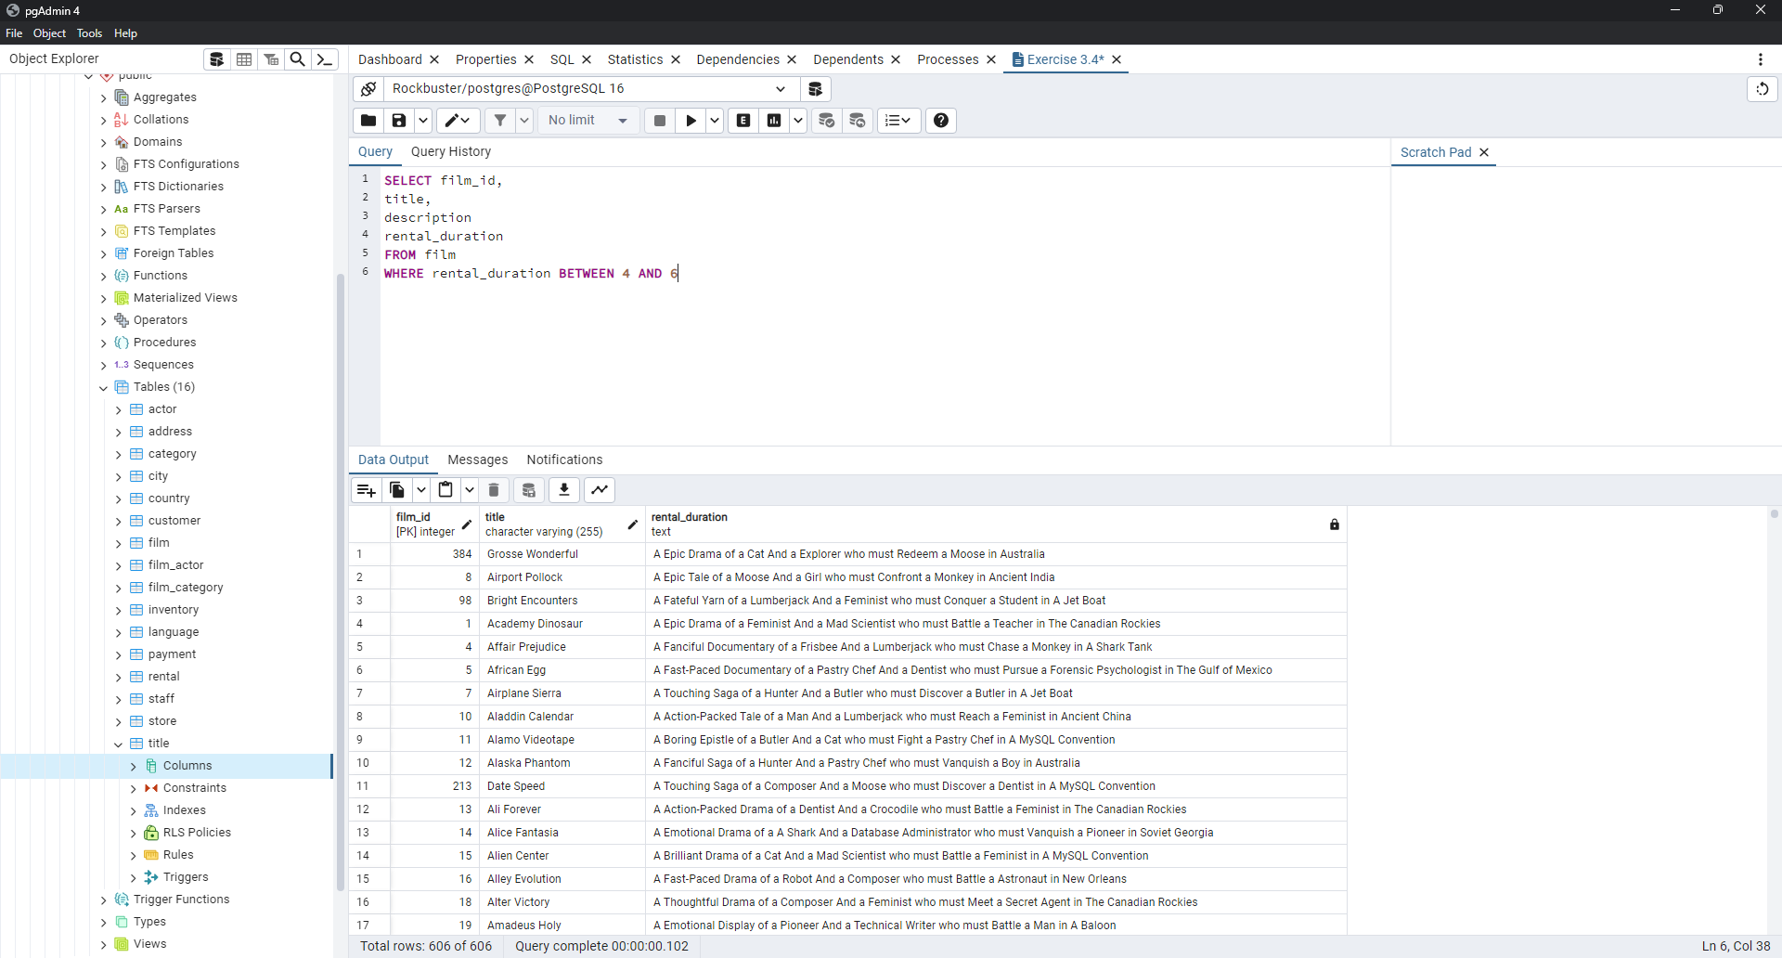
4 | Affair Prejudice | A Fanciful Documentary of a Frisbee And a Lumberjack who must Chase a Monkey in A Shark Tank
5 | African Egg | A Fast-Paced Documentary of a Pastry Chef And a Dentist who must Pursue a Forensic Psychologist in The Gulf of Mexico
7 | Airplane Sierra | A Touching Saga of a Hunter And a Butler who must Discover a Butler in A Jet Boat
10 | Aladdin Calendar | A Action-Packed Tale of a Man And a Lumberjack who must Reach a Feminist in Ancient China
11 | Alamo Videotape | A Boring Epistle of a Butler And a Cat who must Fight a Pastry Chef in A MySQL Convention
12 | Alaska Phantom | A Fanciful Saga of a Hunter And a Pastry Chef who must Vanquish a Boy in Australia
213 | Date Speed | A Touching Saga of a Composer And a Moose who must Discover a Dentist in A MySQL Convention
13 | Ali Forever | A Action-Packed Drama of a Dentist And a Crocodile who must Battle a Feminist in The Canadian Rockies
14 | Alice Fantasia | A Emotional Drama of a A Shark And a Database Administrator who must Vanquish a Pioneer in Soviet Georgia
15 | Alien Center | A Brilliant Drama of a Cat And a Mad Scientist who must Battle a Feminist in A MySQL Convention
16 | Alley Evolution | A Fast-Paced Drama of a Robot And a Composer who must Battle a Astronaut in New Orleans
18 | Alter Victory | A Thoughtful Drama of a Composer And a Feminist who must Meet a Secret Agent in The Canadian Rockies
19 | Amadeus Holy | A Emotional Display of a Pioneer And a Technical Writer who must Battle a Man in A Baloon
20 | Amelie Hellfighters | A Boring Drama of a Woman And a Squirrel who must Conquer a Student in A Baloon
22 | Amistad Midsummer | A Emotional Character Study of a Dentist And a Crocodile who must Meet a Sumo Wrestler in California
24 | Analyze Hoosiers | A Thoughtful Display of a Explorer And a Pastry Chef who must Overcome a Feminist in The Sahara Desert
28 | Anthem Luke | A Touching Panorama of a Waitress And a Woman who must Outrace a Dog in An Abandoned Amusement Park
29 | Antitrust Tomatoes | A Fateful Yarn of a Womanizer And a Feminist who must Succumb a Database Administrator in Ancient India
30 | Anything Savannah | A Epic Story of a Pastry Chef And a Woman who must Chase a Feminist in An Abandoned Fun House
31 | Apache Divine | A Awe-Inspiring Reflection of a Pastry Chef And a Teacher who must Overcome a Sumo Wrestler in A U-Boat
32 | Apocalypse Flamingos | A Astounding Story of a Dog And a Squirrel who must Defeat a Woman in An Abandoned Amusement Park
33 | Apollo Teen | A Action-Packed Reflection of a Crocodile And a Explorer who must Find a Sumo Wrestler in An Abandoned Mine Shaft
34 | Arabia Dogma | A Touching Epistle of a Madman And a Mad Cow who must Defeat a Student in Nigeria
35 | Arachnophobia Rollercoaster | A Action-Packed Reflection of a Pastry Chef And a Composer who must Discover a Mad Scientist in The First Manned Space Station
38 | Ark Ridgemont | A Beautiful Yarn of a Pioneer And a Monkey who must Pursue a Explorer in The Sahara Desert
39 | Armageddon Lost | A Fast-Paced Tale of a Boat And a Teacher who must Succumb a Composer in An Abandoned Mine Shaft
40 | Army Flintstones | A Boring Saga of a Database Administrator And a Womanizer who must Battle a Waitress in Nigeria
41 | Arsenic Independence | A Fanciful Documentary of a Mad Cow And a Womanizer who must Find a Dentist in Berlin
42 | Artist Coldblooded | A Stunning Reflection of a Robot And a Moose who must Challenge a Woman in California
265 | Dying Maker | A Intrepid Tale of a Boat And a Monkey who must Kill a Cat in California
43 | Atlantis Cause | A Thrilling Yarn of a Feminist And a Hunter who must Fight a Technical Writer in A Shark Tank
44 | Attacks Hate | A Fast-Paced Panorama of a Technical Writer And a Mad Scientist who must Find a Feminist in An Abandoned Mine Shaft
45 | Attraction Newton | A Astounding Panorama of a Composer And a Frisbee who must Reach a Husband in Ancient Japan
47 | Baby Hall | A Boring Character Study of a A Shark And a Girl who must Outrace a Feminist in An Abandoned Mine Shaft
49 | Badman Dawn | A Emotional Panorama of a Pioneer And a Composer who must Escape a Mad Scientist in A Jet Boat
51 | Balloon Homeward | A Insightful Panorama of a Forensic Psychologist And a Mad Cow who must Build a Mad Scientist in The First Manned Space Station
52 | Ballroom Mockingbird | A Thrilling Documentary of a Composer And a Monkey who must Find a Feminist in California
53 | Bang Kwai | A Epic Drama of a Madman And a Cat who must Face a A Shark in An Abandoned Amusement Park
54 | Banger Pinocchio | A Awe-Inspiring Drama of a Car And a Pastry Chef who must Chase a Crocodile in The First Manned Space Station
55 | Barbarella Streetcar | A Awe-Inspiring Story of a Feminist And a Cat who must Conquer a Dog in A Monastery
56 | Barefoot Manchurian | A Intrepid Story of a Cat And a Student who must Vanquish a Girl in An Abandoned Amusement Park
57 | Basic Easy | A Stunning Epistle of a Man And a Husband who must Reach a Mad Scientist in A Jet Boat
58 | Beach Heartbreakers | A Fateful Display of a Womanizer And a Mad Scientist who must Outgun a A Shark in Soviet Georgia
59 | Bear Graceland | A Astounding Saga of a Dog And a Boy who must Kill a Teacher in The First Manned Space Station
61 | Beauty Grease | A Fast-Paced Display of a Composer And a Moose who must Sink a Robot in An Abandoned Mine Shaft
62 | Bed Highball | A Astounding Panorama of a Lumberjack And a Dog who must Redeem a Woman in An Abandoned Fun House
63 | Bedazzled Married | A Astounding Character Study of a Madman And a Robot who must Meet a Mad Scientist in An Abandoned Fun House
64 | Beethoven Exorcist | A Epic Display of a Pioneer And a Student who must Challenge a Butler in The Gulf of Mexico
66 | Beneath Rush | A Astounding Panorama of a Man And a Monkey who must Discover a Man in The First Manned Space Station
67 | Berets Agent | A Taut Saga of a Crocodile And a Boy who must Overcome a Technical Writer in Ancient China
68 | Betrayed Rear | A Emotional Character Study of a Boat And a Pioneer who must Find a Explorer in A Shark Tank
72 | Bill Others | A Stunning Saga of a Mad Scientist And a Forensic Psychologist who must Challenge a Squirrel in A MySQL Convention
73 | Bingo Talented | A Touching Tale of a Girl And a Crocodile who must Discover a Waitress in Nigeria
74 | Birch Antitrust | A Fanciful Panorama of a Husband And a Pioneer who must Outgun a Dog in A Baloon
75 | Bird Independence | A Thrilling Documentary of a Car And a Student who must Sink a Hunter in The Canadian Rockies
76 | Birdcage Casper | A Fast-Paced Saga of a Frisbee And a Astronaut who must Overcome a Feminist in Ancient India
77 | Birds Perdition | A Boring Story of a Womanizer And a Pioneer who must Face a Dog in California
79 | Blade Polish | A Thoughtful Character Study of a Frisbee And a Pastry Chef who must Fight a Dentist in The First Manned Space Station
81 | Blindness Gun | A Touching Drama of a Robot And a Dentist who must Meet a Hunter in A Jet Boat
83 | Blues Instinct | A Insightful Documentary of a Boat And a Composer who must Meet a Forensic Psychologist in An Abandoned Fun House
85 | Bonnie Holocaust | A Fast-Paced Story of a Crocodile And a Robot who must Find a Moose in Ancient Japan
86 | Boogie Amelie | A Lacklusture Character Study of a Husband And a Sumo Wrestler who must Succumb a Technical Writer in The Gulf of Mexico
91 | Bound Cheaper | A Thrilling Panorama of a Database Administrator And a Astronaut who must Challenge a Lumberjack in A Baloon
93 | Brannigan Sunrise | A Amazing Epistle of a Moose And a Crocodile who must Outrace a Dog in Berlin
95 | Breakfast Goldfinger | A Beautiful Reflection of a Student And a Student who must Fight a Moose in Berlin
96 | Breaking Home | A Beautiful Display of a Secret Agent And a Monkey who must Battle a Sumo Wrestler in An Abandoned Mine Shaft
102 | Bubble Grosse | A Awe-Inspiring Panorama of a Crocodile And a Moose who must Confront a Girl in A Baloon
104 | Bugsy Song | A Awe-Inspiring Character Study of a Secret Agent And a Boat who must Find a Squirrel in The First Manned Space Station
105 | Bull Shawshank | A Fanciful Drama of a Moose And a Squirrel who must Conquer a Pioneer in The Canadian Rockies
106 | Bulworth Commandments | A Amazing Display of a Mad Cow And a Pioneer who must Redeem a Sumo Wrestler in The Outback
107 | Bunch Minds | A Emotional Story of a Feminist And a Feminist who must Escape a Pastry Chef in A MySQL Convention
108 | Butch Panther | A Lacklusture Yarn of a Feminist And a Database Administrator who must Face a Hunter in New Orleans
110 | Cabin Flash | A Stunning Epistle of a Boat And a Man who must Challenge a A Shark in A Baloon Factory
112 | Calendar Gunfight | A Thrilling Drama of a Frisbee And a Lumberjack who must Sink a Man in Nigeria
113 | California Birds | A Thrilling Yarn of a Database Administrator And a Robot who must Battle a Database Administrator in Ancient India
115 | Campus Remember | A Astounding Drama of a Crocodile And a Mad Cow who must Build a Robot in A Jet Boat
116 | Candidate Perdition | A Brilliant Epistle of a Composer And a Database Administrator who must Vanquish a Mad Scientist in The First Manned Space Station
117 | Candles Grapes | A Fanciful Character Study of a Monkey And a Explorer who must Build a Astronaut in An Abandoned Fun House
119 | Caper Motions | A Fateful Saga of a Moose And a Car who must Pursue a Woman in A MySQL Convention
121 | Carol Texas | A Astounding Character Study of a Composer And a Student who must Overcome a Composer in A Monastery
123 | Casablanca Super | A Amazing Panorama of a Crocodile And a Forensic Psychologist who must Pursue a Secret Agent in The First Manned Space Station
125 | Cassidy Wyoming | A Intrepid Drama of a Frisbee And a Hunter who must Kill a Secret Agent in New Orleans
127 | Cat Coneheads | A Fast-Paced Panorama of a Girl And a A Shark who must Confront a Boy in Ancient India
131 | Center Dinosaur | A Beautiful Character Study of a Sumo Wrestler And a Dentist who must Find a Dog in California
132 | Chainsaw Uptown | A Beautiful Documentary of a Boy And a Robot who must Discover a Squirrel in Australia
134 | Champion Flatliners | A Amazing Story of a Mad Cow And a Dog who must Kill a Husband in A Monastery
154 | Clash Freddy | A Amazing Yarn of a Composer And a Squirrel who must Escape a Astronaut in Australia
138 | Chariots Conspiracy | A Unbelieveable Epistle of a Robot And a Husband who must Chase a Robot in The First Manned Space Station
140 | Cheaper Clyde | A Emotional Character Study of a Pioneer And a Girl who must Discover a Dog in Ancient Japan
141 | Chicago North | A Fateful Yarn of a Mad Cow And a Waitress who must Battle a Student in California
143 | Chill Luck | A Lacklusture Epistle of a Boat And a Technical Writer who must Fight a A Shark in The Canadian Rockies
145 | Chisum Behavior | A Epic Documentary of a Sumo Wrestler And a Butler who must Kill a Car in Ancient India
146 | Chitty Lock | A Boring Epistle of a Boat And a Database Administrator who must Kill a Sumo Wrestler in The First Manned Space Station
147 | Chocolat Harry | A Action-Packed Epistle of a Dentist And a Moose who must Meet a Mad Cow in Ancient Japan
151 | Cincinatti Whisperer | A Brilliant Saga of a Pastry Chef And a Hunter who must Confront a Butler in Berlin
152 | Circus Youth | A Thoughtful Drama of a Pastry Chef And a Dentist who must Pursue a Girl in A Baloon
155 | Cleopatra Devil | A Fanciful Documentary of a Crocodile And a Technical Writer who must Fight a A Shark in A Baloon
158 | Clones Pinocchio | A Amazing Drama of a Car And a Robot who must Pursue a Dentist in New Orleans
159 | Closer Bang | A Unbelieveable Panorama of a Frisbee And a Hunter who must Vanquish a Monkey in Ancient India
160 | Club Graffiti | A Epic Tale of a Pioneer And a Hunter who must Escape a Girl in A U-Boat
161 | Clue Grail | A Taut Tale of a Butler And a Mad Scientist who must Build a Crocodile in Ancient China
162 | Clueless Bucket | A Taut Tale of a Car And a Pioneer who must Conquer a Sumo Wrestler in An Abandoned Fun House
163 | Clyde Theory | A Beautiful Yarn of a Astronaut And a Frisbee who must Overcome a Explorer in A Jet Boat
164 | Coast Rainbow | A Astounding Documentary of a Mad Cow And a Pioneer who must Challenge a Butler in The Sahara Desert
166 | Color Philadelphia | A Thoughtful Panorama of a Car And a Crocodile who must Sink a Monkey in The Sahara Desert
167 | Coma Head | A Awe-Inspiring Drama of a Boy And a Frisbee who must Escape a Pastry Chef in California
168 | Comancheros Enemy | A Boring Saga of a Lumberjack And a Monkey who must Find a Monkey in The Gulf of Mexico
170 | Command Darling | A Awe-Inspiring Tale of a Forensic Psychologist And a Woman who must Challenge a Database Administrator in Ancient Japan
171 | Commandments Express | A Fanciful Saga of a Student And a Mad Scientist who must Battle a Hunter in An Abandoned Mine Shaft
174 | Confidential Interview | A Stunning Reflection of a Cat And a Woman who must Find a Astronaut in Ancient Japan
176 | Congeniality Quest | A Touching Documentary of a Cat And a Pastry Chef who must Find a Lumberjack in A Baloon
177 | Connecticut Tramp | A Unbelieveable Drama of a Crocodile And a Mad Cow who must Reach a Dentist in A Shark Tank
178 | Connection Microcosmos | A Fateful Documentary of a Crocodile And a Husband who must Face a Husband in The First Manned Space Station
179 | Conquerer Nuts | A Taut Drama of a Mad Scientist And a Man who must Escape a Pioneer in An Abandoned Mine Shaft
180 | Conspiracy Spirit | A Awe-Inspiring Story of a Student And a Frisbee who must Conquer a Crocodile in An Abandoned Mine Shaft
183 | Conversation Downhill | A Taut Character Study of a Husband And a Waitress who must Sink a Squirrel in A MySQL Convention
186 | Craft Outfield | A Lacklusture Display of a Explorer And a Hunter who must Succumb a Database Administrator in A Baloon Factory
187 | Cranes Reservoir | A Fanciful Documentary of a Teacher And a Dog who must Outgun a Forensic Psychologist in A Baloon Factory
190 | Creepers Kane | A Awe-Inspiring Reflection of a Squirrel And a Boat who must Outrace a Car in A Jet Boat
191 | Crooked Frogmen | A Unbelieveable Drama of a Hunter And a Database Administrator who must Battle a Crocodile in An Abandoned Amusement Park
192 | Crossing Divorce | A Beautiful Documentary of a Dog And a Robot who must Redeem a Womanizer in Berlin
193 | Crossroads Casualties | A Intrepid Documentary of a Sumo Wrestler And a Astronaut who must Battle a Composer in The Outback
194 | Crow Grease | A Awe-Inspiring Documentary of a Woman And a Husband who must Sink a Database Administrator in The First Manned Space Station
197 | Crusade Honey | A Fast-Paced Reflection of a Explorer And a Butler who must Battle a Madman in An Abandoned Amusement Park
198 | Crystal Breaking | A Fast-Paced Character Study of a Feminist And a Explorer who must Face a Pastry Chef in Ancient Japan
199 | Cupboard Sinners | A Emotional Reflection of a Frisbee And a Boat who must Reach a Pastry Chef in An Abandoned Amusement Park
202 | Daddy Pittsburgh | A Epic Story of a A Shark And a Student who must Confront a Explorer in The Gulf of Mexico
203 | Daisy Menagerie | A Fast-Paced Saga of a Pastry Chef And a Monkey who must Sink a Composer in Ancient India
204 | Dalmations Sweden | A Emotional Epistle of a Moose And a Hunter who must Overcome a Robot in A Manhattan Penthouse
206 | Dancing Fever | A Stunning Story of a Explorer And a Forensic Psychologist who must Face a Crocodile in A Shark Tank
209 | Darkness War | A Touching Documentary of a Husband And a Hunter who must Escape a Boy in The Sahara Desert
215 | Dawn Pond | A Thoughtful Documentary of a Dentist And a Forensic Psychologist who must Defeat a Waitress in Berlin
217 | Dazed Punk | A Action-Packed Story of a Pioneer And a Technical Writer who must Discover a Forensic Psychologist in An Abandoned Amusement Park
219 | Deep Crusade | A Amazing Tale of a Crocodile And a Squirrel who must Discover a Composer in Australia
221 | Deliverance Mulholland | A Astounding Saga of a Monkey And a Moose who must Conquer a Butler in A Shark Tank
222 | Desert Poseidon | A Brilliant Documentary of a Butler And a Frisbee who must Build a Astronaut in New Orleans
226 | Destiny Saturday | A Touching Drama of a Crocodile And a Crocodile who must Conquer a Explorer in Soviet Georgia
227 | Details Packer | A Epic Saga of a Waitress And a Composer who must Face a Boat in A U-Boat
228 | Detective Vision | A Fanciful Documentary of a Pioneer And a Woman who must Redeem a Hunter in Ancient Japan
229 | Devil Desire | A Beautiful Reflection of a Monkey And a Dentist who must Face a Database Administrator in Ancient Japan
234 | Disturbing Scarface | A Lacklusture Display of a Crocodile And a Butler who must Overcome a Monkey in A U-Boat
235 | Divide Monster | A Intrepid Saga of a Man And a Forensic Psychologist who must Reach a Squirrel in A Monastery
236 | Divine Resurrection | A Boring Character Study of a Man And a Womanizer who must Succumb a Teacher in An Abandoned Amusement Park
238 | Doctor Grail | A Insightful Drama of a Womanizer And a Waitress who must Reach a Forensic Psychologist in The Outback
239 | Dogma Family | A Brilliant Character Study of a Database Administrator And a Monkey who must Succumb a Astronaut in New Orleans
241 | Donnie Alley | A Awe-Inspiring Tale of a Butler And a Frisbee who must Vanquish a Teacher in Ancient Japan
242 | Doom Dancing | A Astounding Panorama of a Car And a Mad Scientist who must Battle a Lumberjack in A MySQL Convention
244 | Dorado Notting | A Action-Packed Tale of a Sumo Wrestler And a A Shark who must Meet a Frisbee in California
245 | Double Wrath | A Thoughtful Yarn of a Womanizer And a Dog who must Challenge a Madman in The Gulf of Mexico
246 | Doubtfire Labyrinth | A Intrepid Panorama of a Butler And a Composer who must Meet a Mad Cow in The Sahara Desert
248 | Dozen Lion | A Taut Drama of a Cat And a Girl who must Defeat a Frisbee in The Canadian Rockies
250 | Dragon Squad | A Taut Reflection of a Boy And a Waitress who must Outgun a Teacher in Ancient China
251 | Dragonfly Strangers | A Boring Documentary of a Pioneer And a Man who must Vanquish a Man in Nigeria
252 | Dream Pickup | A Epic Display of a Car And a Composer who must Overcome a Forensic Psychologist in The Gulf of Mexico
253 | Drifter Commandments | A Epic Reflection of a Womanizer And a Squirrel who must Discover a Husband in A Jet Boat
254 | Driver Annie | A Lacklusture Character Study of a Butler And a Car who must Redeem a Boat in An Abandoned Fun House
255 | Driving Polish | A Action-Packed Yarn of a Feminist And a Technical Writer who must Sink a Boat in An Abandoned Mine Shaft
256 | Drop Waterfront | A Fanciful Documentary of a Husband And a Explorer who must Reach a Madman in Ancient China
258 | Drums Dynamite | A Epic Display of a Crocodile And a Crocodile who must Confront a Dog in An Abandoned Amusement Park
259 | Duck Racer | A Lacklusture Yarn of a Teacher And a Squirrel who must Overcome a Dog in A Shark Tank
261 | Duffel Apocalypse | A Emotional Display of a Boat And a Explorer who must Challenge a Madman in A MySQL Convention
262 | Dumbo Lust | A Touching Display of a Feminist And a Dentist who must Conquer a Husband in The Gulf of Mexico
263 | Durham Panky | A Brilliant Panorama of a Girl And a Boy who must Face a Mad Scientist in An Abandoned Mine Shaft
264 | Dwarfs Alter | A Emotional Yarn of a Girl And a Dog who must Challenge a Composer in Ancient Japan
266 | Dynamite Tarzan | A Intrepid Documentary of a Forensic Psychologist And a Mad Scientist who must Face a Explorer in A U-Boat
267 | Eagles Panky | A Thoughtful Story of a Car And a Boy who must Find a A Shark in The Sahara Desert
268 | Early Home | A Amazing Panorama of a Mad Scientist And a Husband who must Meet a Woman in The Outback
271 | Easy Gladiator | A Fateful Story of a Monkey And a Girl who must Overcome a Pastry Chef in Ancient India
272 | Edge Kissing | A Beautiful Yarn of a Composer And a Mad Cow who must Redeem a Mad Scientist in A Jet Boat
273 | Effect Gladiator | A Beautiful Display of a Pastry Chef And a Pastry Chef who must Outgun a Forensic Psychologist in A Manhattan Penthouse
274 | Egg Igby | A Beautiful Documentary of a Boat And a Sumo Wrestler who must Succumb a Database Administrator in The First Manned Space Station
276 | Element Freddy | A Awe-Inspiring Reflection of a Waitress And a Squirrel who must Kill a Mad Cow in A Jet Boat
277 | Elephant Trojan | A Beautiful Panorama of a Lumberjack And a Forensic Psychologist who must Overcome a Frisbee in A Baloon
278 | Elf Murder | A Action-Packed Story of a Frisbee And a Woman who must Reach a Girl in An Abandoned Mine Shaft
281 | Encino Elf | A Astounding Drama of a Feminist And a Teacher who must Confront a Husband in A Baloon
282 | Encounters Curtain | A Insightful Epistle of a Pastry Chef And a Womanizer who must Build a Boat in New Orleans
283 | Ending Crowds | A Unbelieveable Display of a Dentist And a Madman who must Vanquish a Squirrel in Berlin
284 | Enemy Odds | A Fanciful Panorama of a Mad Scientist And a Woman who must Pursue a Astronaut in Ancient India
287 | Entrapment Satisfaction | A Thoughtful Panorama of a Hunter And a Teacher who must Reach a Mad Cow in A U-Boat
289 | Eve Resurrection | A Awe-Inspiring Yarn of a Pastry Chef And a Database Administrator who must Challenge a Teacher in A Baloon
290 | Everyone Craft | A Fateful Display of a Waitress And a Dentist who must Reach a Butler in Nigeria
291 | Evolution Alter | A Fanciful Character Study of a Feminist And a Madman who must Find a Explorer in A Baloon Factory
293 | Exorcist Sting | A Touching Drama of a Dog And a Sumo Wrestler who must Conquer a Mad Scientist in Berlin
294 | Expecations Natural | A Amazing Drama of a Butler And a Husband who must Reach a A Shark in A U-Boat
296 | Express Lonely | A Boring Drama of a Astronaut And a Boat who must Face a Boat in California
297 | Extraordinary Conquerer | A Stunning Story of a Dog And a Feminist who must Face a Forensic Psychologist in Berlin
298 | Eyes Driving | A Thrilling Story of a Cat And a Waitress who must Fight a Explorer in The Outback
299 | Factory Dragon | A Action-Packed Saga of a Teacher And a Frisbee who must Escape a Lumberjack in The Sahara Desert
300 | Falcon Volume | A Fateful Saga of a Sumo Wrestler And a Hunter who must Redeem a A Shark in New Orleans
301 | Family Sweet | A Epic Documentary of a Teacher And a Boy who must Escape a Woman in Berlin
302 | Fantasia Park | A Thoughtful Documentary of a Mad Scientist And a A Shark who must Outrace a Feminist in Australia
303 | Fantasy Troopers | A Touching Saga of a Teacher And a Monkey who must Overcome a Secret Agent in A MySQL Convention
305 | Fatal Haunted | A Beautiful Drama of a Student And a Secret Agent who must Confront a Dentist in Ancient Japan
307 | Fellowship Autumn | A Lacklusture Reflection of a Dentist And a Hunter who must Meet a Teacher in A Baloon
309 | Feud Frogmen | A Brilliant Reflection of a Database Administrator And a Mad Cow who must Chase a Woman in The Canadian Rockies
310 | Fever Empire | A Insightful Panorama of a Cat And a Boat who must Defeat a Boat in The Gulf of Mexico
311 | Fiction Christmas | A Emotional Yarn of a A Shark And a Student who must Battle a Robot in An Abandoned Mine Shaft
312 | Fiddler Lost | A Boring Tale of a Squirrel And a Dog who must Challenge a Madman in The Gulf of Mexico
313 | Fidelity Devil | A Awe-Inspiring Drama of a Technical Writer And a Composer who must Reach a Pastry Chef in A U-Boat
315 | Finding Anaconda | A Fateful Tale of a Database Administrator And a Girl who must Battle a Squirrel in New Orleans
316 | Fire Wolves | A Intrepid Documentary of a Frisbee And a Dog who must Outrace a Lumberjack in Nigeria
317 | Fireball Philadelphia | A Amazing Yarn of a Dentist And a A Shark who must Vanquish a Madman in An Abandoned Mine Shaft
319 | Fish Opus | A Touching Display of a Feminist And a Girl who must Confront a Astronaut in Australia
320 | Flamingos Connecticut | A Fast-Paced Reflection of a Composer And a Composer who must Meet a Cat in The Sahara Desert
322 | Flatliners Killer | A Taut Display of a Secret Agent And a Waitress who must Sink a Robot in An Abandoned Mine Shaft
325 | Floats Garden | A Action-Packed Epistle of a Robot And a Car who must Chase a Boat in Ancient Japan
326 | Flying Hook | A Thrilling Display of a Mad Cow And a Dog who must Challenge a Frisbee in Nigeria
329 | Forrest Sons | A Thrilling Documentary of a Forensic Psychologist And a Butler who must Defeat a Explorer in A Jet Boat
331 | Forward Temple | A Astounding Display of a Forensic Psychologist And a Mad Scientist who must Challenge a Girl in New Orleans
334 | Freddy Storm | A Intrepid Saga of a Man And a Lumberjack who must Vanquish a Husband in The Outback
335 | Freedom Cleopatra | A Emotional Reflection of a Dentist And a Mad Cow who must Face a Squirrel in A Baloon
336 | French Holiday | A Thrilling Epistle of a Dog And a Feminist who must Kill a Madman in Berlin
337 | Frida Slipper | A Fateful Story of a Lumberjack And a Car who must Escape a Boat in An Abandoned Mine Shaft
338 | Frisco Forrest | A Beautiful Documentary of a Woman And a Pioneer who must Pursue a Mad Scientist in A Shark Tank
339 | Frogmen Breaking | A Unbelieveable Yarn of a Mad Scientist And a Cat who must Chase a Lumberjack in Australia
340 | Frontier Cabin | A Emotional Story of a Madman And a Waitress who must Battle a Teacher in An Abandoned Fun House
341 | Frost Head | A Amazing Reflection of a Lumberjack And a Cat who must Discover a Husband in A MySQL Convention
343 | Full Flatliners | A Beautiful Documentary of a Astronaut And a Moose who must Pursue a Monkey in A Shark Tank
346 | Galaxy Sweethearts | A Emotional Reflection of a Womanizer And a Pioneer who must Face a Squirrel in Berlin
349 | Gangs Pride | A Taut Character Study of a Woman And a A Shark who must Confront a Frisbee in Berlin
351 | Gaslight Crusade | A Amazing Epistle of a Boy And a Astronaut who must Redeem a Man in The Gulf of Mexico
352 | Gathering Calendar | A Intrepid Tale of a Pioneer And a Moose who must Conquer a Frisbee in A MySQL Convention
353 | Gentlemen Stage | A Awe-Inspiring Reflection of a Monkey And a Student who must Overcome a Dentist in The First Manned Space Station
354 | Ghost Groundhog | A Brilliant Panorama of a Madman And a Composer who must Succumb a Car in Ancient India
356 | Giant Troopers | A Fateful Display of a Feminist And a Monkey who must Vanquish a Monkey in The Canadian Rockies
358 | Gilmore Boiled | A Unbelieveable Documentary of a Boat And a Husband who must Succumb a Student in A U-Boat
359 | Gladiator Westward | A Astounding Reflection of a Squirrel And a Sumo Wrestler who must Sink a Dentist in Ancient Japan
360 | Glass Dying | A Astounding Drama of a Frisbee And a Astronaut who must Fight a Dog in Ancient Japan
361 | Gleaming Jawbreaker | A Amazing Display of a Composer And a Forensic Psychologist who must Discover a Car in The Canadian Rockies
365 | Gold River | A Taut Documentary of a Database Administrator And a Waitress who must Reach a Mad Scientist in A Baloon Factory
367 | Goldmine Tycoon | A Brilliant Epistle of a Composer And a Frisbee who must Conquer a Husband in The Outback
369 | Goodfellas Salute | A Unbelieveable Tale of a Dog And a Explorer who must Sink a Mad Cow in A Baloon Factory
370 | Gorgeous Bingo | A Action-Packed Display of a Sumo Wrestler And a Car who must Overcome a Waitress in A Baloon Factory
371 | Gosford Donnie | A Epic Panorama of a Mad Scientist And a Monkey who must Redeem a Secret Agent in Berlin
372 | Graceland Dynamite | A Taut Display of a Cat And a Girl who must Overcome a Database Administrator in New Orleans
375 | Grail Frankenstein | A Unbelieveable Saga of a Teacher And a Monkey who must Fight a Girl in An Abandoned Mine Shaft
376 | Grapes Fury | A Boring Yarn of a Mad Cow And a Sumo Wrestler who must Meet a Robot in Australia
378 | Greatest North | A Astounding Character Study of a Secret Agent And a Robot who must Build a A Shark in Berlin
383 | Groove Fiction | A Unbelieveable Reflection of a Moose And a A Shark who must Defeat a Lumberjack in An Abandoned Mine Shaft
385 | Groundhog Uncut | A Brilliant Panorama of a Astronaut And a Technical Writer who must Discover a Butler in A Manhattan Penthouse
388 | Gunfight Moon | A Epic Reflection of a Pastry Chef And a Explorer who must Reach a Dentist in The Sahara Desert
390 | Guys Falcon | A Boring Story of a Woman And a Feminist who must Redeem a Squirrel in A U-Boat
391 | Half Outfield | A Epic Epistle of a Database Administrator And a Crocodile who must Face a Madman in A Jet Boat
392 | Hall Cassidy | A Beautiful Panorama of a Pastry Chef And a A Shark who must Battle a Pioneer in Soviet Georgia
393 | Halloween Nuts | A Amazing Panorama of a Forensic Psychologist And a Technical Writer who must Fight a Dentist in A U-Boat
449 | Identity Lover | A Boring Tale of a Composer And a Mad Cow who must Defeat a Car in The Outback
395 | Handicap Boondock | A Beautiful Display of a Pioneer And a Squirrel who must Vanquish a Sumo Wrestler in Soviet Georgia
396 | Hanging Deep | A Action-Packed Yarn of a Boat And a Crocodile who must Build a Monkey in Berlin
397 | Hanky October | A Boring Epistle of a Database Administrator And a Explorer who must Pursue a Madman in Soviet Georgia
398 | Hanover Galaxy | A Stunning Reflection of a Girl And a Secret Agent who must Succumb a Boy in A MySQL Convention
399 | Happiness United | A Action-Packed Panorama of a Husband And a Feminist who must Meet a Forensic Psychologist in Ancient Japan
401 | Harold French | A Stunning Saga of a Sumo Wrestler And a Student who must Outrace a Moose in The Sahara Desert
403 | Harry Idaho | A Taut Yarn of a Technical Writer And a Feminist who must Outrace a Dog in California
404 | Hate Handicap | A Intrepid Reflection of a Mad Scientist And a Pioneer who must Overcome a Hunter in The First Manned Space Station
405 | Haunted Antitrust | A Amazing Saga of a Man And a Dentist who must Reach a Technical Writer in Ancient India
406 | Haunting Pianist | A Fast-Paced Story of a Database Administrator And a Composer who must Defeat a Squirrel in An Abandoned Amusement Park
407 | Hawk Chill | A Action-Packed Drama of a Mad Scientist And a Composer who must Outgun a Car in Australia
408 | Head Stranger | A Thoughtful Saga of a Hunter And a Crocodile who must Confront a Dog in The Gulf of Mexico
411 | Heavenly Gun | A Beautiful Yarn of a Forensic Psychologist And a Frisbee who must Battle a Moose in A Jet Boat
412 | Heavyweights Beast | A Unbelieveable Story of a Composer And a Dog who must Overcome a Womanizer in An Abandoned Amusement Park
416 | Highball Potter | A Action-Packed Saga of a Husband And a Dog who must Redeem a Database Administrator in The Sahara Desert
417 | Hills Neighbors | A Epic Display of a Hunter And a Feminist who must Sink a Car in A U-Boat
418 | Hobbit Alien | A Emotional Drama of a Husband And a Girl who must Outgun a Composer in The First Manned Space Station
419 | Hocus Frida | A Awe-Inspiring Tale of a Girl And a Madman who must Outgun a Student in A Shark Tank
424 | Holocaust Highball | A Awe-Inspiring Yarn of a Composer And a Man who must Find a Robot in Soviet Georgia
425 | Holy Tadpole | A Action-Packed Display of a Feminist And a Pioneer who must Pursue a Dog in A Baloon Factory
427 | Homeward Cider | A Taut Reflection of a Astronaut And a Squirrel who must Fight a Squirrel in A Manhattan Penthouse
428 | Homicide Peach | A Astounding Documentary of a Hunter And a Boy who must Confront a Boy in A MySQL Convention
450 | Idols Snatchers | A Insightful Drama of a Car And a Composer who must Fight a Man in A Monastery
432 | Hope Tootsie | A Amazing Documentary of a Student And a Sumo Wrestler who must Outgun a A Shark in A Shark Tank
433 | Horn Working | A Stunning Display of a Mad Scientist And a Technical Writer who must Succumb a Monkey in A Shark Tank
435 | Hotel Happiness | A Thrilling Yarn of a Pastry Chef And a A Shark who must Challenge a Mad Scientist in The Outback
436 | Hours Rage | A Fateful Story of a Explorer And a Feminist who must Meet a Technical Writer in Soviet Georgia
439 | Hunchback Impossible | A Touching Yarn of a Frisbee And a Dentist who must Fight a Composer in Ancient Japan
440 | Hunger Roof | A Unbelieveable Yarn of a Student And a Database Administrator who must Outgun a Husband in An Abandoned Mine Shaft
441 | Hunter Alter | A Emotional Drama of a Mad Cow And a Boat who must Redeem a Secret Agent in A Shark Tank
442 | Hunting Musketeers | A Thrilling Reflection of a Pioneer And a Dentist who must Outrace a Womanizer in An Abandoned Mine Shaft
443 | Hurricane Affair | A Lacklusture Epistle of a Database Administrator And a Woman who must Meet a Hunter in An Abandoned Mine Shaft
445 | Hyde Doctor | A Fanciful Documentary of a Boy And a Woman who must Redeem a Womanizer in A Jet Boat
446 | Hysterical Grail | A Amazing Saga of a Madman And a Dentist who must Build a Car in A Manhattan Penthouse
447 | Ice Crossing | A Fast-Paced Tale of a Butler And a Moose who must Overcome a Pioneer in A Manhattan Penthouse
452 | Illusion Amelie | A Emotional Epistle of a Boat And a Mad Scientist who must Outrace a Robot in An Abandoned Mine Shaft
454 | Impact Aladdin | A Epic Character Study of a Frisbee And a Moose who must Outgun a Technical Writer in A Shark Tank
456 | Inch Jet | A Fateful Saga of a Womanizer And a Student who must Defeat a Butler in A Monastery
457 | Independence Hotel | A Thrilling Tale of a Technical Writer And a Boy who must Face a Pioneer in A Monastery
458 | Indian Love | A Insightful Saga of a Mad Scientist And a Mad Scientist who must Kill a Astronaut in An Abandoned Fun House
459 | Informer Double | A Action-Packed Display of a Woman And a Dentist who must Redeem a Forensic Psychologist in The Canadian Rockies
462 | Insider Arizona | A Astounding Saga of a Mad Scientist And a Hunter who must Pursue a Robot in A Baloon Factory
463 | Instinct Airport | A Touching Documentary of a Mad Cow And a Explorer who must Confront a Butler in A Manhattan Penthouse
465 | Interview Liaisons | A Action-Packed Reflection of a Student And a Butler who must Discover a Database Administrator in A Manhattan Penthouse
466 | Intolerable Intentions | A Awe-Inspiring Story of a Monkey And a Pastry Chef who must Succumb a Womanizer in A MySQL Convention
467 | Intrigue Worst | A Fanciful Character Study of a Explorer And a Mad Scientist who must Vanquish a Squirrel in A Jet Boat
468 | Invasion Cyclone | A Lacklusture Character Study of a Mad Scientist And a Womanizer who must Outrace a Explorer in A Monastery
470 | Ishtar Rocketeer | A Astounding Saga of a Dog And a Squirrel who must Conquer a Dog in An Abandoned Fun House
473 | Jacket Frisco | A Insightful Reflection of a Womanizer And a Husband who must Conquer a Pastry Chef in A Baloon
474 | Jade Bunch | A Insightful Panorama of a Squirrel And a Mad Cow who must Confront a Student in The First Manned Space Station
475 | Japanese Run | A Awe-Inspiring Epistle of a Feminist And a Girl who must Sink a Girl in The Outback
476 | Jason Trap | A Thoughtful Tale of a Woman And a A Shark who must Conquer a Dog in A Monastery
477 | Jawbreaker Brooklyn | A Stunning Reflection of a Boat And a Pastry Chef who must Succumb a A Shark in A Jet Boat
478 | Jaws Harry | A Thrilling Display of a Database Administrator And a Monkey who must Overcome a Dog in An Abandoned Fun House
481 | Jekyll Frogmen | A Fanciful Epistle of a Student And a Astronaut who must Kill a Waitress in A Shark Tank
485 | Jersey Sassy | A Lacklusture Documentary of a Madman And a Mad Cow who must Find a Feminist in Ancient Japan
487 | Jingle Sagebrush | A Epic Character Study of a Feminist And a Student who must Meet a Woman in A Baloon
489 | Juggler Hardly | A Epic Story of a Mad Cow And a Astronaut who must Challenge a Car in California
490 | Jumanji Blade | A Intrepid Yarn of a Husband And a Womanizer who must Pursue a Mad Scientist in New Orleans
...

Exercise 3 5 1D
film_id | title | replacement_cost
98 | Bright Encounters | A Fateful Yarn of a Lumberjack And a Feminist who must Conquer a Student in A Jet Boat
2 | Ace Goldfinger | A Astounding Epistle of a Database Administrator And a Explorer who must Find a Car in Ancient China
15 | Alien Center | A Brilliant Drama of a Cat And a Mad Scientist who must Battle a Feminist in A MySQL Convention
22 | Amistad Midsummer | A Emotional Character Study of a Dentist And a Crocodile who must Meet a Sumo Wrestler in California
23 | Anaconda Confessions | A Lacklusture Display of a Dentist And a Dentist who must Fight a Girl in Australia
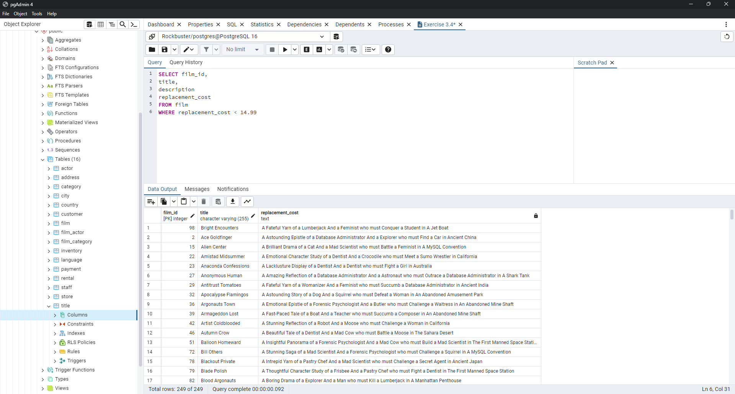
27 | Anonymous Human | A Amazing Reflection of a Database Administrator And a Astronaut who must Outrace a Database Administrator in A Shark Tank
29 | Antitrust Tomatoes | A Fateful Yarn of a Womanizer And a Feminist who must Succumb a Database Administrator in Ancient India
32 | Apocalypse Flamingos | A Astounding Story of a Dog And a Squirrel who must Defeat a Woman in An Abandoned Amusement Park
36 | Argonauts Town | A Emotional Epistle of a Forensic Psychologist And a Butler who must Challenge a Waitress in An Abandoned Mine Shaft
39 | Armageddon Lost | A Fast-Paced Tale of a Boat And a Teacher who must Succumb a Composer in An Abandoned Mine Shaft
42 | Artist Coldblooded | A Stunning Reflection of a Robot And a Moose who must Challenge a Woman in California
46 | Autumn Crow | A Beautiful Tale of a Dentist And a Mad Cow who must Battle a Moose in The Sahara Desert
51 | Balloon Homeward | A Insightful Panorama of a Forensic Psychologist And a Mad Cow who must Build a Mad Scientist in The First Manned Space Station
72 | Bill Others | A Stunning Saga of a Mad Scientist And a Forensic Psychologist who must Challenge a Squirrel in A MySQL Convention
78 | Blackout Private | A Intrepid Yarn of a Pastry Chef And a Mad Scientist who must Challenge a Secret Agent in Ancient Japan
79 | Blade Polish | A Thoughtful Character Study of a Frisbee And a Pastry Chef who must Fight a Dentist in The First Manned Space Station
82 | Blood Argonauts | A Boring Drama of a Explorer And a Man who must Kill a Lumberjack in A Manhattan Penthouse
84 | Boiled Dares | A Awe-Inspiring Story of a Waitress And a Dog who must Discover a Dentist in Ancient Japan
86 | Boogie Amelie | A Lacklusture Character Study of a Husband And a Sumo Wrestler who must Succumb a Technical Writer in The Gulf of Mexico
90 | Boulevard Mob | A Fateful Epistle of a Moose And a Monkey who must Confront a Lumberjack in Ancient China
107 | Bunch Minds | A Emotional Story of a Feminist And a Feminist who must Escape a Pastry Chef in A MySQL Convention
116 | Candidate Perdition | A Brilliant Epistle of a Composer And a Database Administrator who must Vanquish a Mad Scientist in The First Manned Space Station
122 | Carrie Bunch | A Amazing Epistle of a Student And a Astronaut who must Discover a Frisbee in The Canadian Rockies
128 | Catch Amistad | A Boring Reflection of a Lumberjack And a Feminist who must Discover a Woman in Nigeria
131 | Center Dinosaur | A Beautiful Character Study of a Sumo Wrestler And a Dentist who must Find a Dog in California
154 | Clash Freddy | A Amazing Yarn of a Composer And a Squirrel who must Escape a Astronaut in Australia
141 | Chicago North | A Fateful Yarn of a Mad Cow And a Waitress who must Battle a Student in California
148 | Chocolate Duck | A Unbelieveable Story of a Mad Scientist And a Technical Writer who must Discover a Composer in Ancient China
150 | Cider Desire | A Stunning Character Study of a Composer And a Mad Cow who must Succumb a Cat in Soviet Georgia
152 | Circus Youth | A Thoughtful Drama of a Pastry Chef And a Dentist who must Pursue a Girl in A Baloon
159 | Closer Bang | A Unbelieveable Panorama of a Frisbee And a Hunter who must Vanquish a Monkey in Ancient India
160 | Club Graffiti | A Epic Tale of a Pioneer And a Hunter who must Escape a Girl in A U-Boat
162 | Clueless Bucket | A Taut Tale of a Car And a Pioneer who must Conquer a Sumo Wrestler in An Abandoned Fun House
167 | Coma Head | A Awe-Inspiring Drama of a Boy And a Frisbee who must Escape a Pastry Chef in California
171 | Commandments Express | A Fanciful Saga of a Student And a Mad Scientist who must Battle a Hunter in An Abandoned Mine Shaft
172 | Coneheads Smoochy | A Touching Story of a Womanizer And a Composer who must Pursue a Husband in Nigeria
174 | Confidential Interview | A Stunning Reflection of a Cat And a Woman who must Find a Astronaut in Ancient Japan
181 | Contact Anonymous | A Insightful Display of a A Shark And a Monkey who must Face a Database Administrator in Ancient India
182 | Control Anthem | A Fateful Documentary of a Robot And a Student who must Battle a Cat in A Monastery
185 | Cowboy Doom | A Astounding Drama of a Boy And a Lumberjack who must Fight a Butler in A Baloon
187 | Cranes Reservoir | A Fanciful Documentary of a Teacher And a Dog who must Outgun a Forensic Psychologist in A Baloon Factory
203 | Daisy Menagerie | A Fast-Paced Saga of a Pastry Chef And a Monkey who must Sink a Composer in Ancient India
210 | Darko Dorado | A Stunning Reflection of a Frisbee And a Husband who must Redeem a Dog in New Orleans
214 | Daughter Madigan | A Beautiful Tale of a Hunter And a Mad Scientist who must Confront a Squirrel in The First Manned Space Station
220 | Deer Virginian | A Thoughtful Story of a Mad Cow And a Womanizer who must Overcome a Mad Scientist in Soviet Georgia
221 | Deliverance Mulholland | A Astounding Saga of a Monkey And a Moose who must Conquer a Butler in A Shark Tank
229 | Devil Desire | A Beautiful Reflection of a Monkey And a Dentist who must Face a Database Administrator in Ancient Japan
235 | Divide Monster | A Intrepid Saga of a Man And a Forensic Psychologist who must Reach a Squirrel in A Monastery
240 | Dolls Rage | A Thrilling Display of a Pioneer And a Frisbee who must Escape a Teacher in The Outback
242 | Doom Dancing | A Astounding Panorama of a Car And a Mad Scientist who must Battle a Lumberjack in A MySQL Convention
254 | Driver Annie | A Lacklusture Character Study of a Butler And a Car who must Redeem a Boat in An Abandoned Fun House
258 | Drums Dynamite | A Epic Display of a Crocodile And a Crocodile who must Confront a Dog in An Abandoned Amusement Park
260 | Dude Blindness | A Stunning Reflection of a Husband And a Lumberjack who must Face a Frisbee in An Abandoned Fun House
261 | Duffel Apocalypse | A Emotional Display of a Boat And a Explorer who must Challenge a Madman in A MySQL Convention
264 | Dwarfs Alter | A Emotional Yarn of a Girl And a Dog who must Challenge a Composer in Ancient Japan
271 | Easy Gladiator | A Fateful Story of a Monkey And a Girl who must Overcome a Pastry Chef in Ancient India
272 | Edge Kissing | A Beautiful Yarn of a Composer And a Mad Cow who must Redeem a Mad Scientist in A Jet Boat
275 | Egypt Tenenbaums | A Intrepid Story of a Madman And a Secret Agent who must Outrace a Astronaut in An Abandoned Amusement Park
279 | Elizabeth Shane | A Lacklusture Display of a Womanizer And a Dog who must Face a Sumo Wrestler in Ancient Japan
281 | Encino Elf | A Astounding Drama of a Feminist And a Teacher who must Confront a Husband in A Baloon
283 | Ending Crowds | A Unbelieveable Display of a Dentist And a Madman who must Vanquish a Squirrel in Berlin
291 | Evolution Alter | A Fanciful Character Study of a Feminist And a Madman who must Find a Explorer in A Baloon Factory
298 | Eyes Driving | A Thrilling Story of a Cat And a Waitress who must Fight a Explorer in The Outback
299 | Factory Dragon | A Action-Packed Saga of a Teacher And a Frisbee who must Escape a Lumberjack in The Sahara Desert
306 | Feathers Metal | A Thoughtful Yarn of a Monkey And a Teacher who must Find a Dog in Australia
307 | Fellowship Autumn | A Lacklusture Reflection of a Dentist And a Hunter who must Meet a Teacher in A Baloon
308 | Ferris Mother | A Touching Display of a Frisbee And a Frisbee who must Kill a Girl in The Gulf of Mexico
...

Exercise 3 5 1E
film_id | title | description | rating
1 | Academy Dinosaur | A Epic Drama of a Feminist And a Mad Scientist who must Battle a Teacher in The Canadian Rockies | PG
2 | Ace Goldfinger | A Astounding Epistle of a Database Administrator And a Explorer who must Find a Car in Ancient China | G
4 | Affair Prejudice | A Fanciful Documentary of a Frisbee And a Lumberjack who must Chase a Monkey in A Shark Tank | G
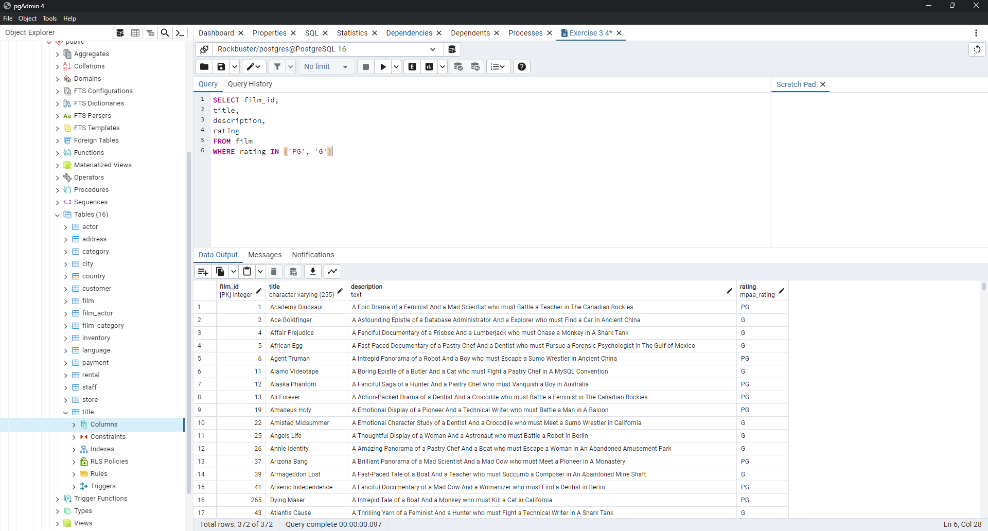
5 | African Egg | A Fast-Paced Documentary of a Pastry Chef And a Dentist who must Pursue a Forensic Psychologist in The Gulf of Mexico | G
6 | Agent Truman | A Intrepid Panorama of a Robot And a Boy who must Escape a Sumo Wrestler in Ancient China | PG
11 | Alamo Videotape | A Boring Epistle of a Butler And a Cat who must Fight a Pastry Chef in A MySQL Convention | G
12 | Alaska Phantom | A Fanciful Saga of a Hunter And a Pastry Chef who must Vanquish a Boy in Australia | PG
13 | Ali Forever | A Action-Packed Drama of a Dentist And a Crocodile who must Battle a Feminist in The Canadian Rockies | PG
19 | Amadeus Holy | A Emotional Display of a Pioneer And a Technical Writer who must Battle a Man in A Baloon | PG
22 | Amistad Midsummer | A Emotional Character Study of a Dentist And a Crocodile who must Meet a Sumo Wrestler in California | G
25 | Angels Life | A Thoughtful Display of a Woman And a Astronaut who must Battle a Robot in Berlin | G
26 | Annie Identity | A Amazing Panorama of a Pastry Chef And a Boat who must Escape a Woman in An Abandoned Amusement Park | G
37 | Arizona Bang | A Brilliant Panorama of a Mad Scientist And a Mad Cow who must Meet a Pioneer in A Monastery | PG
39 | Armageddon Lost | A Fast-Paced Tale of a Boat And a Teacher who must Succumb a Composer in An Abandoned Mine Shaft | G
41 | Arsenic Independence | A Fanciful Documentary of a Mad Cow And a Womanizer who must Find a Dentist in Berlin | PG
265 | Dying Maker | A Intrepid Tale of a Boat And a Monkey who must Kill a Cat in California | PG
43 | Atlantis Cause | A Thrilling Yarn of a Feminist And a Hunter who must Fight a Technical Writer in A Shark Tank | G
46 | Autumn Crow | A Beautiful Tale of a Dentist And a Mad Cow who must Battle a Moose in The Sahara Desert | G
50 | Baked Cleopatra | A Stunning Drama of a Forensic Psychologist And a Husband who must Overcome a Waitress in A Monastery | G
126 | Casualties Encino | A Insightful Yarn of a A Shark And a Pastry Chef who must Face a Boy in A Monastery | G
52 | Ballroom Mockingbird | A Thrilling Documentary of a Composer And a Monkey who must Find a Feminist in California | G
55 | Barbarella Streetcar | A Awe-Inspiring Story of a Feminist And a Cat who must Conquer a Dog in A Monastery | G
56 | Barefoot Manchurian | A Intrepid Story of a Cat And a Student who must Vanquish a Girl in An Abandoned Amusement Park | G
58 | Beach Heartbreakers | A Fateful Display of a Womanizer And a Mad Scientist who must Outgun a A Shark in Soviet Georgia | G
61 | Beauty Grease | A Fast-Paced Display of a Composer And a Moose who must Sink a Robot in An Abandoned Mine Shaft | G
63 | Bedazzled Married | A Astounding Character Study of a Madman And a Robot who must Meet a Mad Scientist in An Abandoned Fun House | PG
65 | Behavior Runaway | A Unbelieveable Drama of a Student And a Husband who must Outrace a Sumo Wrestler in Berlin | PG
72 | Bill Others | A Stunning Saga of a Mad Scientist And a Forensic Psychologist who must Challenge a Squirrel in A MySQL Convention | PG
74 | Birch Antitrust | A Fanciful Panorama of a Husband And a Pioneer who must Outgun a Dog in A Baloon | PG
75 | Bird Independence | A Thrilling Documentary of a Car And a Student who must Sink a Hunter in The Canadian Rockies | G
77 | Birds Perdition | A Boring Story of a Womanizer And a Pioneer who must Face a Dog in California | G
78 | Blackout Private | A Intrepid Yarn of a Pastry Chef And a Mad Scientist who must Challenge a Secret Agent in Ancient Japan | PG
80 | Blanket Beverly | A Emotional Documentary of a Student And a Girl who must Build a Boat in Nigeria | G
82 | Blood Argonauts | A Boring Drama of a Explorer And a Man who must Kill a Lumberjack in A Manhattan Penthouse | G
83 | Blues Instinct | A Insightful Documentary of a Boat And a Composer who must Meet a Forensic Psychologist in An Abandoned Fun House | G
84 | Boiled Dares | A Awe-Inspiring Story of a Waitress And a Dog who must Discover a Dentist in Ancient Japan | PG
85 | Bonnie Holocaust | A Fast-Paced Story of a Crocodile And a Robot who must Find a Moose in Ancient Japan | G
88 | Born Spinal | A Touching Epistle of a Frisbee And a Husband who must Pursue a Student in Nigeria | PG
89 | Borrowers Bedazzled | A Brilliant Epistle of a Teacher And a Sumo Wrestler who must Defeat a Man in An Abandoned Fun House | G
91 | Bound Cheaper | A Thrilling Panorama of a Database Administrator And a Astronaut who must Challenge a Lumberjack in A Baloon | PG
93 | Brannigan Sunrise | A Amazing Epistle of a Moose And a Crocodile who must Outrace a Dog in Berlin | PG
95 | Breakfast Goldfinger | A Beautiful Reflection of a Student And a Student who must Fight a Moose in Berlin | G
97 | Bride Intrigue | A Epic Tale of a Robot And a Monkey who must Vanquish a Man in New Orleans | G
99 | Bringing Hysterical | A Fateful Saga of a A Shark And a Technical Writer who must Find a Woman in A Jet Boat | PG
103 | Bucket Brotherhood | A Amazing Display of a Girl And a Womanizer who must Succumb a Lumberjack in A Baloon Factory | PG
104 | Bugsy Song | A Awe-Inspiring Character Study of a Secret Agent And a Boat who must Find a Squirrel in The First Manned Space Station | G
106 | Bulworth Commandments | A Amazing Display of a Mad Cow And a Pioneer who must Redeem a Sumo Wrestler in The Outback | G
107 | Bunch Minds | A Emotional Story of a Feminist And a Feminist who must Escape a Pastry Chef in A MySQL Convention | G
109 | Butterfly Chocolat | A Fateful Story of a Girl And a Composer who must Conquer a Husband in A Shark Tank | G
119 | Caper Motions | A Fateful Saga of a Moose And a Car who must Pursue a Woman in A MySQL Convention | G
121 | Carol Texas | A Astounding Character Study of a Composer And a Student who must Overcome a Composer in A Monastery | PG
122 | Carrie Bunch | A Amazing Epistle of a Student And a Astronaut who must Discover a Frisbee in The Canadian Rockies | PG
123 | Casablanca Super | A Amazing Panorama of a Crocodile And a Forensic Psychologist who must Pursue a Secret Agent in The First Manned Space Station | G
127 | Cat Coneheads | A Fast-Paced Panorama of a Girl And a A Shark who must Confront a Boy in Ancient India | G
128 | Catch Amistad | A Boring Reflection of a Lumberjack And a Feminist who must Discover a Woman in Nigeria | G
131 | Center Dinosaur | A Beautiful Character Study of a Sumo Wrestler And a Dentist who must Find a Dog in California | PG
132 | Chainsaw Uptown | A Beautiful Documentary of a Boy And a Robot who must Discover a Squirrel in Australia | PG
134 | Champion Flatliners | A Amazing Story of a Mad Cow And a Dog who must Kill a Husband in A Monastery | PG
154 | Clash Freddy | A Amazing Yarn of a Composer And a Squirrel who must Escape a Astronaut in Australia | G
137 | Charade Duffel | A Action-Packed Display of a Man And a Waitress who must Build a Dog in A MySQL Convention | PG
139 | Chasing Fight | A Astounding Saga of a Technical Writer And a Butler who must Battle a Butler in A Shark Tank | PG
140 | Cheaper Clyde | A Emotional Character Study of a Pioneer And a Girl who must Discover a Dog in Ancient Japan | G
142 | Chicken Hellfighters | A Emotional Drama of a Dog And a Explorer who must Outrace a Technical Writer in Australia | PG
143 | Chill Luck | A Lacklusture Epistle of a Boat And a Technical Writer who must Fight a A Shark in The Canadian Rockies | PG
144 | Chinatown Gladiator | A Brilliant Panorama of a Technical Writer And a Lumberjack who must Escape a Butler in Ancient India | PG
...

Exercise 3 5 3
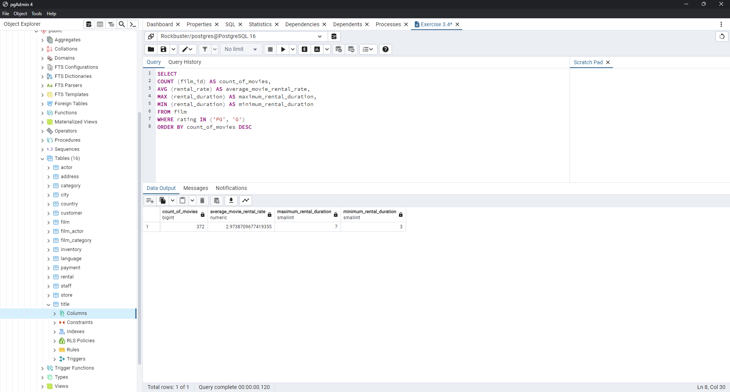
count_of_movies | average_movie_rental_rate | maximum_rental_duration | minimum_rental_duration
372 | 2.9738709677 | 7 | 3

Exercise 3 5 4
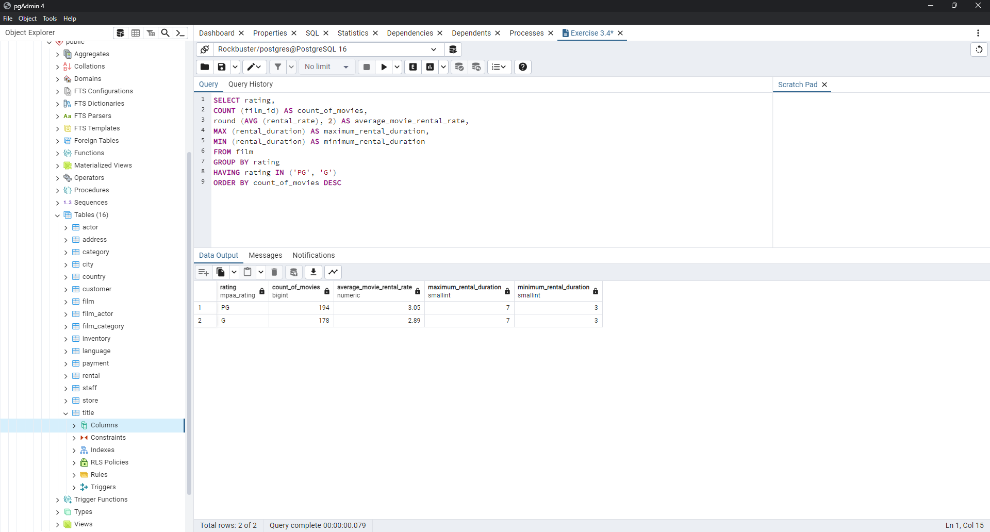
rating | count_of_movies | average_movie_rental_rate | maximum_rental_duration | minimum_rental_duration
PG | 194 | 3.05 | 7 | 3
G | 178 | 2.89 | 7 | 3

